Execution Analyst
DIABPS Sprint 1.1 - DIABPS-32 TEST CASES |  |  |  | TESTER INFO
Test Case ID: | DIABPS_32#01 |  |  | Created By: | Jordan Helman
User Story: | DIABPS-32 - Create a Tag (System-Wide) |  |  | Created On: | 2026-07-31
Story Description: | As a(n) Execution Admin, Programming Admin, Manpower Admin, Resource Management Lead, Execution Lead, Programming Lead, Manpower Lead, Execution Analyst, Programming Analyst, or Manpower Analyst, I can create a Tag that is within my organization or system-wide. |  |  | Reviewed By: | Kana Raghavan
User Role: | Execution Analyst |  |  | Reviewed On: | 2026-08-14
Acceptance Criteria: |  |  |  | Executed By: | Jordan Helman
Environment: | DIABPS Test |  |  | Executed On: | 2026-08-18

TEST SCENARIO 1
Test Scenario: | An Execution Analyst can create a new tag that is within their organization.
Pre-Conditions:
Execution Steps: |  | Input Data | Expected Result | Pass/Fail | Comments
STEP 1 | Log in as an Execution Analyst https://ams-test.appiancloud.us/suite/ | Username: jordan.rmoexecutionanalyst | The user logs in successfully and is now on the Planning Module Home page | Pass | [Jordan]: Tested as RMO & CCRM
STEP 2 | Click the "TAGS" action located under ACTIONS & RESOURCES |  | The Tags record page displays | Pass
STEP 3 | Click the "+ CREATE TAG" button located on the top-right of the page |  | The Tag creation form displays in a pop-up window | Pass
STEP 4 | Tag* Text Field Enter a valid Tag | Tag: JH_TEST_TAG_32#0101 | The entered value persists with no error/validation message | Pass
STEP 5 | Description* Paragraph Field Enter a valid Description | Description: Test description for test case DIABPS_32#0101 | The entered value persists with no error/validation message | Pass
STEP 6 | Organization Picker Field Tooltip: "Leave blank to make this tag available system-wide to all users" View all available options for selection Select an Organization | Organization: CFODI-RMO - CFO Analysis | 1. The available options are limited to RMO/CCRM/SMO that the user has an Analyst role within 2. The selected value persists with no error/validation message | Pass
STEP 7 | Click the "CREATE TAG" button |  | The pop-up window closes | Pass
STEP 8 | Scroll to the bottom of the page and click the "Show Columns" link |  | A column selection section appears | Pass
STEP 9 | Click the "All" link |  | The "Last Modified By" and "Last Modified On" columns are added to the Tag record grid | Pass
STEP 10 | Verify a row for the new Tag appears in the grid |  |  | Pass
STEP 11 | Verify the data in each column for this row is correct |  |  | Pass
STEP 12 | Click the "View Details" icon located in the left-most column |  | A Tag summary view displays | Pass
STEP 13 | Verify all displayed data is correct |  |  | Pass
STEP 14 | Log out |  | The user is logged out of the application | Pass
Overall Status: | 1. A new Tag is created within the selected Organization 2. All data entered by the user is saved 3. The Tag's status is set to 'Active' 4. The system logs who created the tag and the timestamp |  |  | Pass

TEST SCENARIO 2
Test Scenario: | An Execution Analyst can create a new system-wide tag.
Pre-Conditions:
Execution Steps: |  | Input Data | Expected Result | Pass/Fail | Comments
STEP 1 | Log in as an Execution Analyst https://ams-test.appiancloud.us/suite/ | Username: jordan.rmoexecutionanalyst | The user logs in successfully and is now on the Planning Module Home page | Pass | [Jordan]: Tested as RMO & CCRM
STEP 2 | Click the "TAGS" action located under ACTIONS & RESOURCES |  | The Tags record page displays | Pass
STEP 3 | Click the "+ CREATE TAG" button located on the top-right of the page |  | The Tag creation form displays in a pop-up window | Pass
STEP 4 | Tag* Text Field Enter a valid Tag | Tag: JH_TEST_TAG_32#0102 | The entered value persists with no error/validation message | Pass
STEP 5 | Description* Paragraph Field Enter a valid Description | Description: Test description for test case DIABPS_32#0102 | The entered value persists with no error/validation message | Pass
STEP 6 | Click the "CREATE TAG" button |  | The pop-up window closes | Pass
STEP 7 | Scroll to the bottom of the page and click the "Show Columns" link |  | A column selection section appears | Pass
STEP 8 | Click the "All" link |  | The "Last Modified By" and "Last Modified On" columns are added to the Tag record grid | Pass
STEP 9 | Verify a row for the new Tag appears in the grid |  |  | Pass
STEP 10 | Verify the data in each column for this row is correct |  |  | Pass
STEP 11 | Click the "View Details" icon located in the left-most column |  | A Tag summary view displays | Pass
STEP 12 | Verify all displayed data is correct |  |  | Pass
STEP 13 | Log out |  | The user is logged out of the application | Pass
Overall Status: | 1. A new system-wide Tag is created 2. All data entered by the user is saved 3. The Tag's status is set to 'Active' 4. The system logs who created the tag and the timestamp |  |  | Pass

TEST SCENARIO 3
Test Scenario: | An Execution Analyst cannot create a tag with invalid data. [NEGATIVE TESTING]
Pre-Conditions: | 1. At least 1 Tag with no associated organization exists in the system 2. At least 1 Tag with an associated organization exists in the system (the organization must be one that the Execution Analyst is within)
Execution Steps: |  | Input Data | Expected Result | Pass/Fail | Comments
STEP 1 | Log in as an Execution Analyst https://ams-test.appiancloud.us/suite/ | Username: jordan.rmoexecutionanalyst | The user logs in successfully and is now on the Planning Module Home page | Pass | [Jordan]: Tested as RMO & CCRM
STEP 2 | Click the "TAGS" action located under ACTIONS & RESOURCES |  | The Tags record page displays | Pass
STEP 3 | Click the "+ CREATE TAG" button located on the top-right of the page |  | The Tag creation form displays in a pop-up window | Pass
STEP 4 | Click the "CREATE TAG" button |  | 1. The form does not submit 2. The Tag and Description fields display the validation message "A value is required" | Pass
STEP 5 | Tag* Text Field Enter 26+ characters | Tag: AAAAAAAAAAAAAAAAAAAAAAAAAA | The field displays a validation message explaining you cannot exceed the character limit | Pass
STEP 6 | Description* Paragraph Field Enter 1001+ characters | Description: <1001 A characters> | The field displays a validation message explaining you cannot exceed the character limit | Pass
STEP 7 | Click the "CREATE TAG" button |  | The form does not submit | Pass
STEP 8 | Click the "CANCEL" button |  | The pop-up window closes | Pass
STEP 9 | Click the "+ CREATE TAG" button |  | The Tag creation form displays in a pop-up window | Pass
STEP 10 | Tag* Text Field Enter the exact name of the Tag from Pre-Condition #1 | Tag: JH_TEST_TAG_32#0102 | The field displays the validation message "A general tag with this name already exists in the system. Duplicates cannot be added." | Pass
STEP 11 | Description* Paragraph Field Enter a valid Description | Description: Test description for test case DIABPS_32#0103 | The entered value persists with no error/validation message | Pass
STEP 12 | Click the "CREATE TAG" button |  | The form does not submit | Pass
STEP 13 | Organization Picker Field Select the Organization from Pre-Condition #2 | Organization: CFODI-RMO - CFO Analysis | 1. The validation message on the Tag field is removed 2. The entered value persists with no error/validation message | Pass
STEP 14 | Tag* Text Field Enter the exact name of the Tag from Pre-Condition #2 | Tag: JH_TEST_TAG_32#0101 | The field displays the validation message "A tag for this organization with this name already exists in the system. Duplicates cannot be added." | Pass
STEP 15 | Click the "CREATE TAG" button |  | The form does not submit | Pass
STEP 16 | Click the "CANCEL" button |  | The pop-up window closes | Pass
STEP 17 | Log out |  | The user is logged out of the application | Pass
Overall Status: | A new Tag is not created |  |  | Pass

TEST SCENARIO 4
Test Scenario: | In the Tag creation form, an Execution Analyst can cancel/discard their work.
Pre-Conditions:
Execution Steps: |  | Input Data | Expected Result | Pass/Fail | Comments
STEP 1 | Log in as an Execution Analyst https://ams-test.appiancloud.us/suite/ | Username: jordan.rmoexecutionanalyst | The user logs in successfully and is now on the Planning Module Home page | Pass | [Jordan]: Tested as RMO & CCRM
STEP 2 | Click the "TAGS" action located under ACTIONS & RESOURCES |  | The Tags record page displays | Pass
STEP 3 | Click the "+ CREATE TAG" button located on the top-right of the page |  | The Tag creation form displays in a pop-up window | Pass
STEP 4 | Click the "CANCEL" button |  | The pop-up window closes | Pass
STEP 5 | Click the "+ CREATE TAG" button |  | The Tag creation form displays in a pop-up window | Pass
STEP 6 | Tag* Text Field Enter a valid Tag | Tag: JH_TEST_TAG_32#0104 | The entered value persists with no error/validation message | Pass
STEP 7 | Description* Paragraph Field Enter a valid Description | Description: Test description for test case DIABPS_32#0104 | The entered value persists with no error/validation message | Pass
STEP 8 | Click the "CANCEL" button |  | The pop-up window closes | Pass
STEP 9 | Verify the Tag was not created |  |  | Pass
STEP 10 | Log out |  | The user is logged out of the application | Pass
Overall Status: | 1. No new Tags are created 2. All data entered by the user is discarded |  |  | Pass

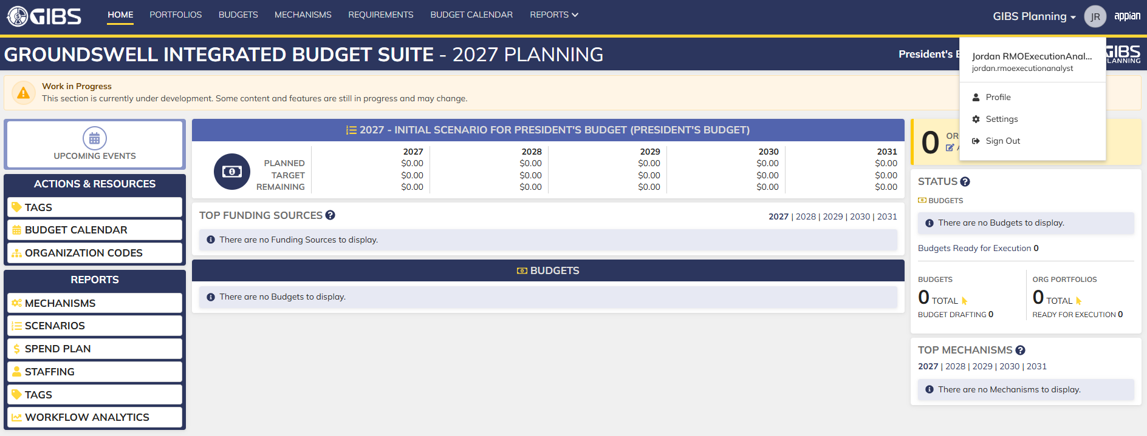
Evidences:
Scenario 1
 |  |  | Planning home page

 |  |  | Tags record page

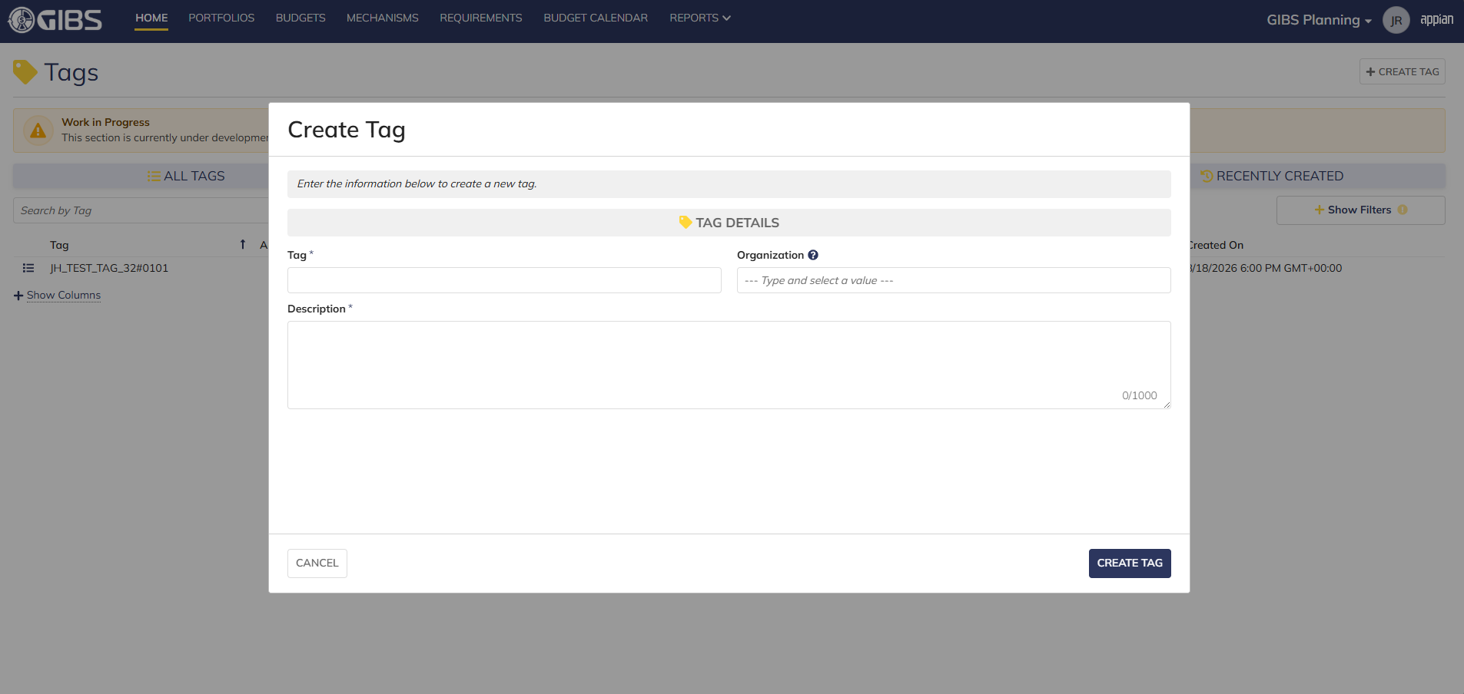
 |  |  | Tag creation form in pop-up window

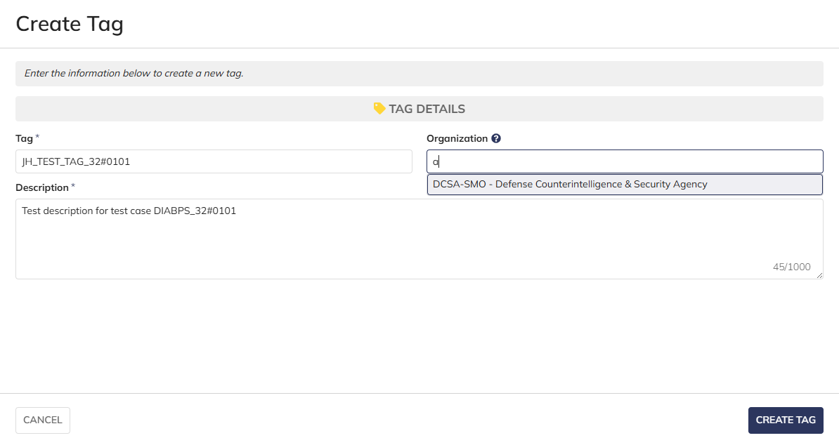
 |  |  | User can enter Tag and Description
 |  |  | For Organization, user can only select the RMO/CCRM/SMO they are within

 |  |  | User successfully creates a tag within their organization. Tag is Active, all entered data is saved and audit information is saved

 |  |  | Summary View contains the same data

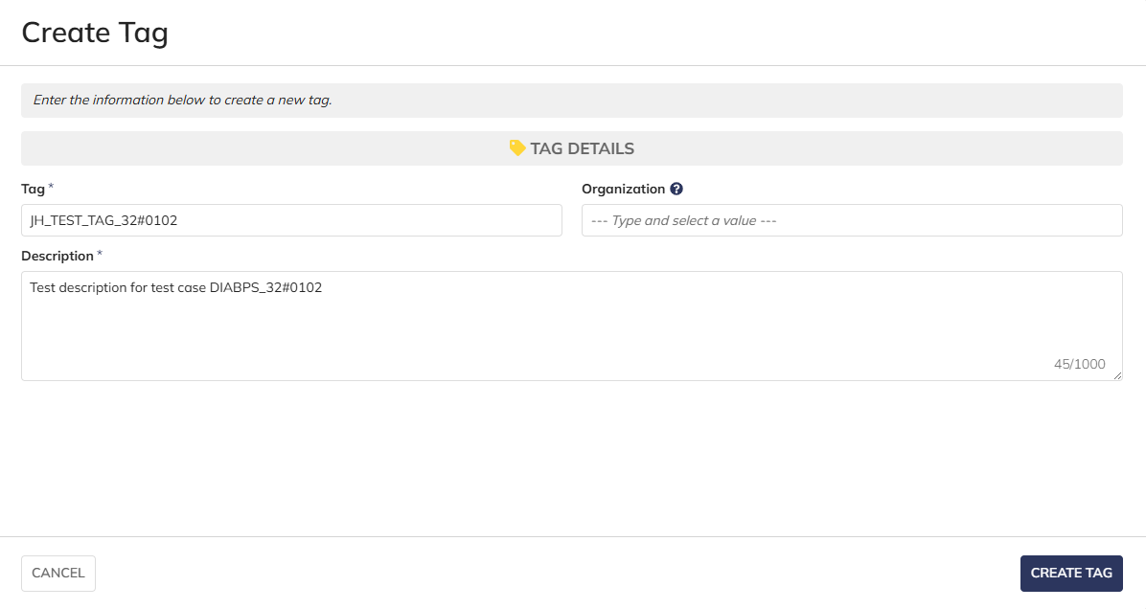
Scenario 2
 |  |  | User can create system-wide tags by leaving Organization blank

 |  |  | User successfully creates a system-wide tag. Tag is Active, all entered data is saved and audit information is saved

 |  |  | Summary View contains the same data

Scenario 3
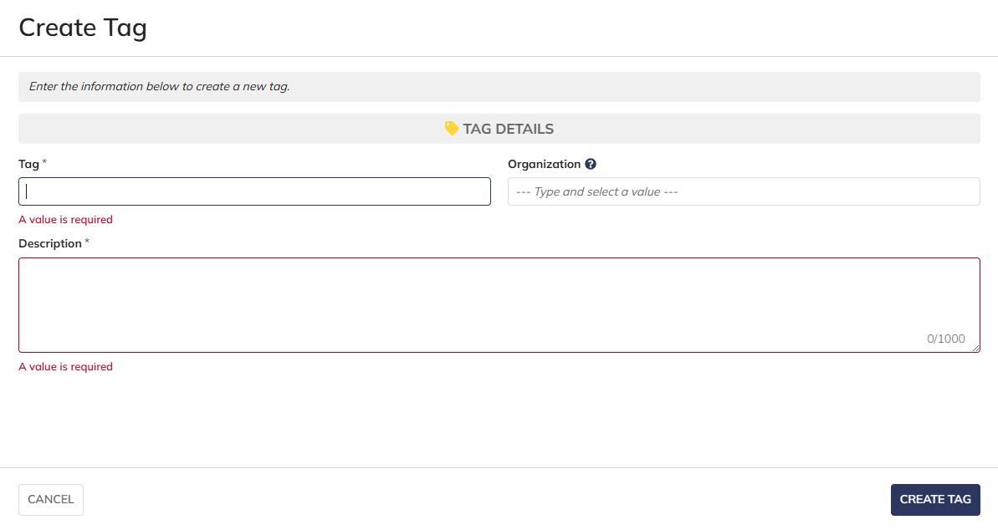
 |  |  | The form does not submit if the required fields are blank

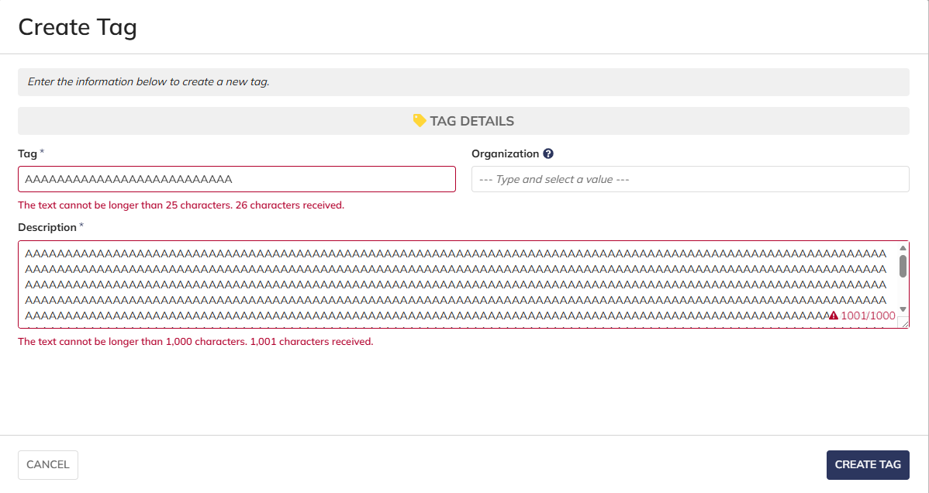
 |  |  | User cannot submit while exceeding the character limit on text fields

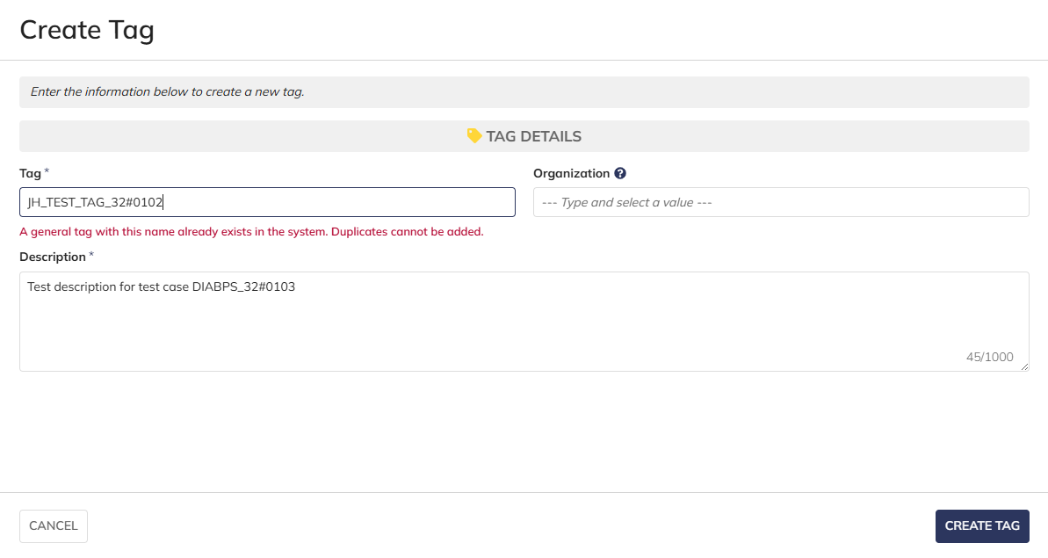
 |  |  | User cannot create system-wide tags with duplicate names

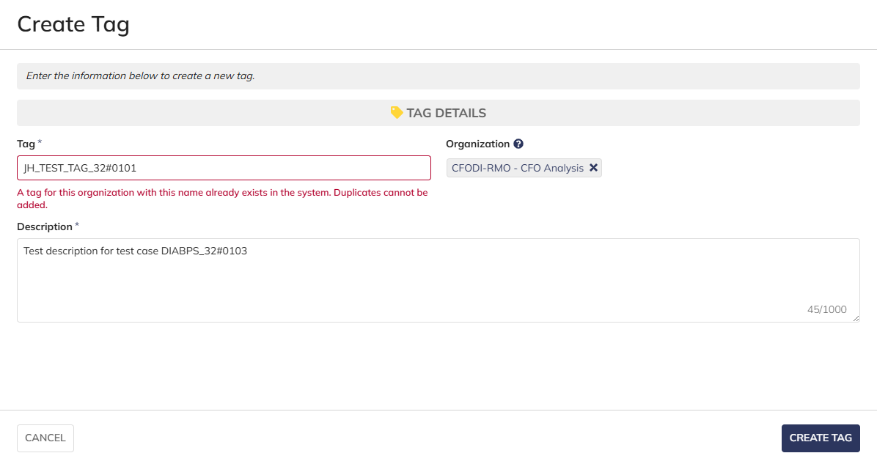

 |  |  | User cannot create tags with duplicate names within the same organization

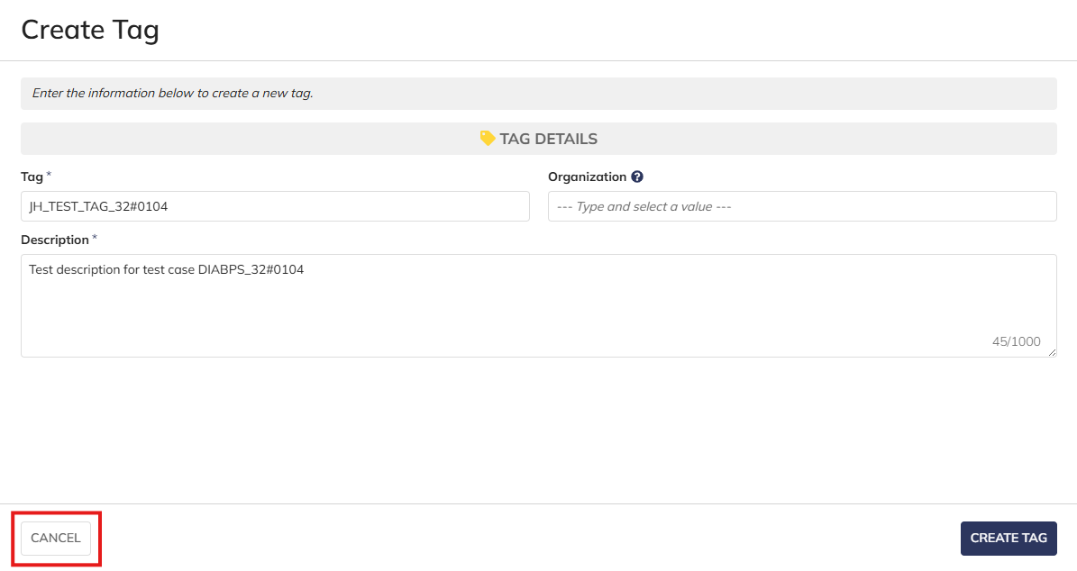
Scenario 4
 |  |  | User is able to cancel out of the form

 |  |  | No new tags are created after clicking "CANCEL"

Programming Analyst
DIABPS Sprint 1.1 - DIABPS-32 TEST CASES |  |  |  | TESTER INFO
Test Case ID: | DIABPS_32#02 |  |  | Created By: | Jordan Helman
User Story: | DIABPS-32 - Create a Tag (System-Wide) |  |  | Created On: | 2026-07-31
Story Description: | As a(n) Execution Admin, Programming Admin, Manpower Admin, Resource Management Lead, Execution Lead, Programming Lead, Manpower Lead, Execution Analyst, Programming Analyst, or Manpower Analyst, I can create a Tag that is within my organization or system-wide. |  |  | Reviewed By: | Kana Raghavan
User Role: | Programming Analyst |  |  | Reviewed On: | 2026-08-14
Acceptance Criteria: |  |  |  | Executed By: | Jordan Helman
Environment: | DIABPS Test |  |  | Executed On: | 2026-08-18

TEST SCENARIO 1
Test Scenario: | A Programming Analyst can create a new tag that is within their organization.
Pre-Conditions:
Execution Steps: |  | Input Data | Expected Result | Pass/Fail | Comments
STEP 1 | Log in as a Programming Analyst https://ams-test.appiancloud.us/suite/ | Username: jordan.smoprogramminganalyst | The user logs in successfully and is now on the Planning Module Home page | Pass | [Jordan]: Tested as SMO
STEP 2 | Click the "TAGS" action located under ACTIONS & RESOURCES |  | The Tags record page displays | Pass
STEP 3 | Click the "+ CREATE TAG" button located on the top-right of the page |  | The Tag creation form displays in a pop-up window | Pass
STEP 4 | Tag* Text Field Enter a valid Tag | Tag: JH_TEST_TAG_32#0201 | The entered value persists with no error/validation message | Pass
STEP 5 | Description* Paragraph Field Enter a valid Description | Description: Test description for test case DIABPS_32#0201 [Created by SMO Programming Analyst] | The entered value persists with no error/validation message | Pass
STEP 6 | Organization Picker Field Tooltip: "Leave blank to make this tag available system-wide to all users" View all available options for selection Select an Organization | Organization: DCSA-SMO - Defense Counterintelligence & Security Agency | 1. The available options are limited to RMO/CCRM/SMO that the user has an Analyst role within 2. The selected value persists with no error/validation message | Pass
STEP 7 | Click the "CREATE TAG" button |  | The pop-up window closes | Pass
STEP 8 | Scroll to the bottom of the page and click the "Show Columns" link |  | A column selection section appears | Pass
STEP 9 | Click the "All" link |  | The "Last Modified By" and "Last Modified On" columns are added to the Tag record grid | Pass
STEP 10 | Verify a row for the new Tag appears in the grid |  |  | Pass
STEP 11 | Verify the data in each column for this row is correct |  |  | Pass
STEP 12 | Click the "View Details" icon located in the left-most column |  | A Tag summary view displays | Pass
STEP 13 | Verify all displayed data is correct |  |  | Pass
STEP 14 | Log out |  | The user is logged out of the application | Pass
Overall Status: | 1. A new Tag is created within the selected Organization 2. All data entered by the user is saved 3. The Tag's status is set to 'Active' 4. The system logs who created the tag and the timestamp |  |  | Pass

TEST SCENARIO 2
Test Scenario: | A Programming Analyst can create a new system-wide tag.
Pre-Conditions:
Execution Steps: |  | Input Data | Expected Result | Pass/Fail | Comments
STEP 1 | Log in as a Programming Analyst https://ams-test.appiancloud.us/suite/ | Username: jordan.smoprogramminganalyst | The user logs in successfully and is now on the Planning Module Home page | Pass | [Jordan]: Tested as SMO
STEP 2 | Click the "TAGS" action located under ACTIONS & RESOURCES |  | The Tags record page displays | Pass
STEP 3 | Click the "+ CREATE TAG" button located on the top-right of the page |  | The Tag creation form displays in a pop-up window | Pass
STEP 4 | Tag* Text Field Enter a valid Tag | Tag: JH_TEST_TAG_32#0202 | The entered value persists with no error/validation message | Pass
STEP 5 | Description* Paragraph Field Enter a valid Description | Description: Test description for test case DIABPS_32#0202 [Created by SMO Programming Analyst] | The entered value persists with no error/validation message | Pass
STEP 6 | Click the "CREATE TAG" button |  | The pop-up window closes | Pass
STEP 7 | Scroll to the bottom of the page and click the "Show Columns" link |  | A column selection section appears | Pass
STEP 8 | Click the "All" link |  | The "Last Modified By" and "Last Modified On" columns are added to the Tag record grid | Pass
STEP 9 | Verify a row for the new Tag appears in the grid |  |  | Pass
STEP 10 | Verify the data in each column for this row is correct |  |  | Pass
STEP 11 | Click the "View Details" icon located in the left-most column |  | A Tag summary view displays | Pass
STEP 12 | Verify all displayed data is correct |  |  | Pass
STEP 13 | Log out |  | The user is logged out of the application | Pass
Overall Status: | 1. A new system-wide Tag is created 2. All data entered by the user is saved 3. The Tag's status is set to 'Active' 4. The system logs who created the tag and the timestamp |  |  | Pass

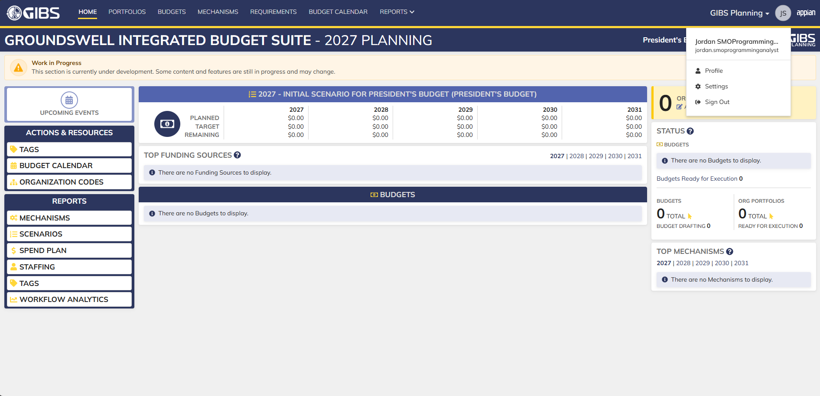
Evidences:
Scenario 1
 |  |  | Planning home page

 |  |  | Tags record page

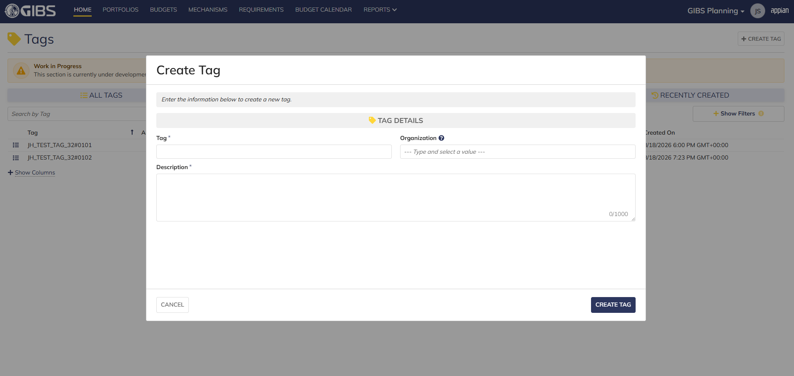
 |  |  | Tag creation form in pop-up window

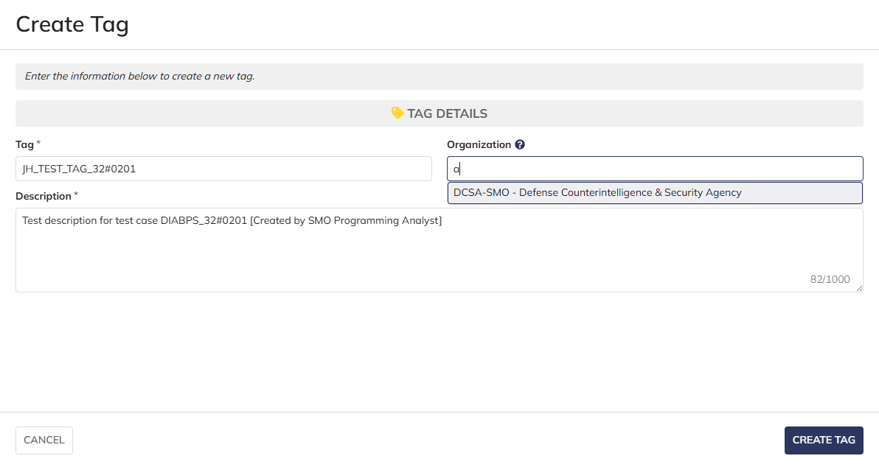
 |  |  | User can enter Tag and Description
 |  |  | For Organization, user can only select the RMO/CCRM/SMO they are within

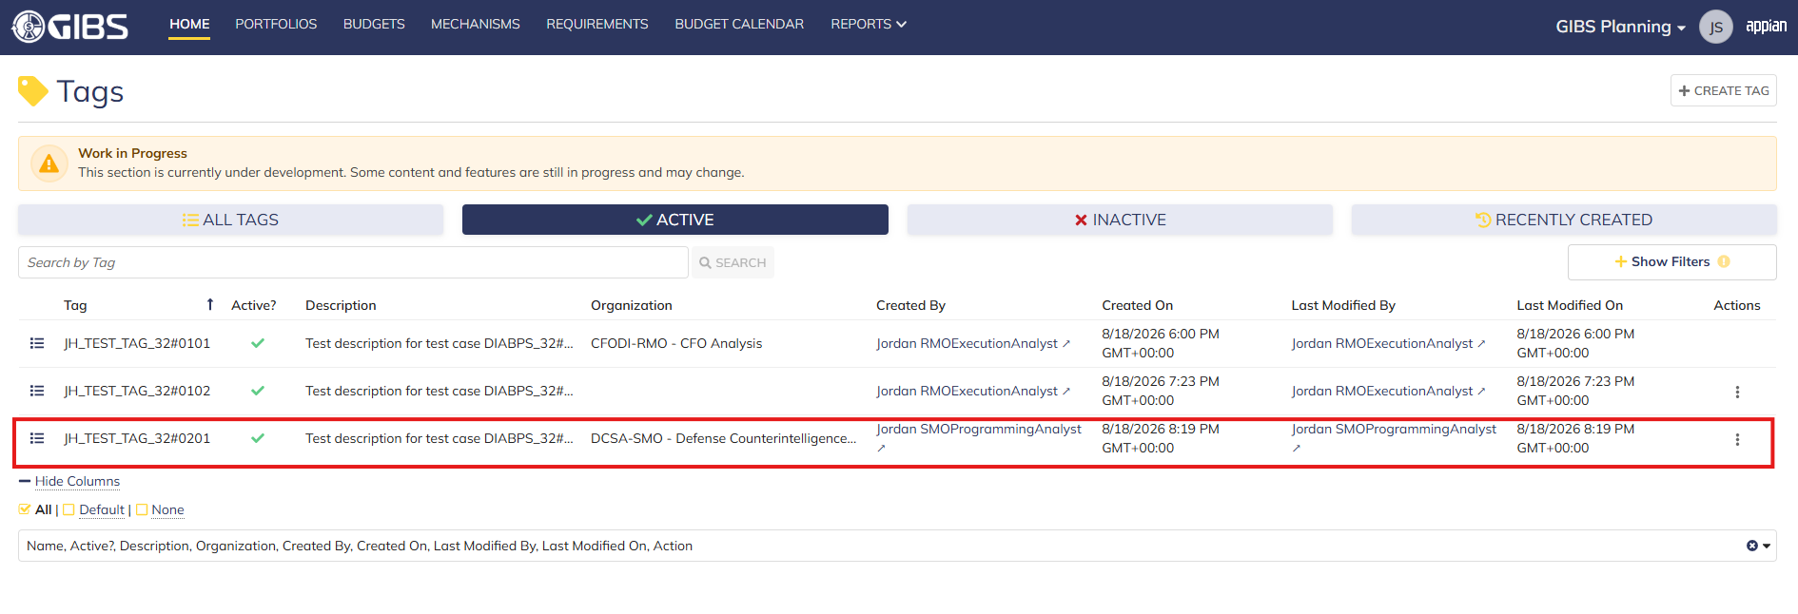
 |  |  | User successfully creates a tag within their organization. Tag is Active, all entered data is saved and audit information is saved

 |  |  | Summary View contains the same data

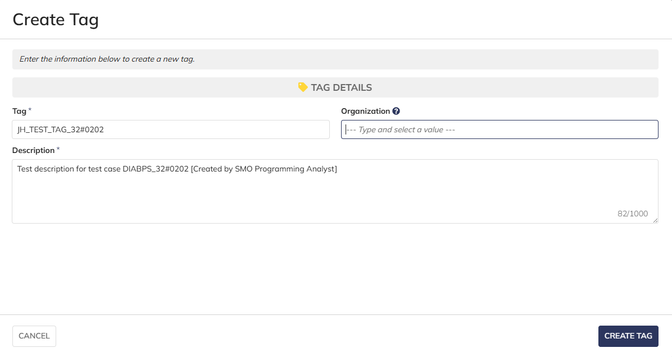
Scenario 2
 |  |  | User can create system-wide tags by leaving Organization blank

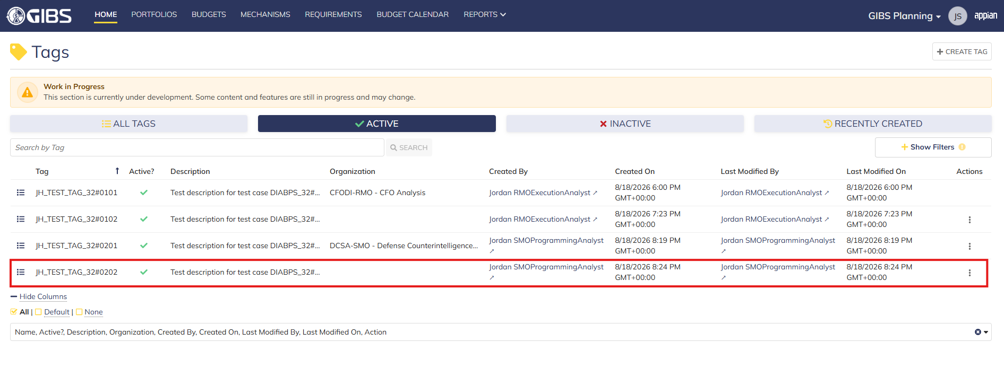
 |  |  | User successfully creates a system-wide tag. Tag is Active, all entered data is saved and audit information is saved

 |  |  | Summary View contains the same data

Manpower Analyst
DIABPS Sprint 1.1 - DIABPS-32 TEST CASES |  |  |  | TESTER INFO
Test Case ID: | DIABPS_32#03 |  |  | Created By: | Jordan Helman
User Story: | DIABPS-32 - Create a Tag (System-Wide) |  |  | Created On: | 2026-07-31
Story Description: | As a(n) Execution Admin, Programming Admin, Manpower Admin, Resource Management Lead, Execution Lead, Programming Lead, Manpower Lead, Execution Analyst, Programming Analyst, or Manpower Analyst, I can create a Tag that is within my organization or system-wide. |  |  | Reviewed By: | Kana Raghavan
User Role: | Manpower Analyst |  |  | Reviewed On: | 2026-08-14
Acceptance Criteria: |  |  |  | Executed By: | Jordan Helman
Environment: | DIABPS Test |  |  | Executed On: | 2026-08-19

TEST SCENARIO 1
Test Scenario: | A Manpower Analyst can create a new tag that is within their organization.
Pre-Conditions:
Execution Steps: |  | Input Data | Expected Result | Pass/Fail | Comments
STEP 1 | Log in as a Manpower Analyst https://ams-test.appiancloud.us/suite/ | Username: jordan.rmomanpoweranalyst | The user logs in successfully and is now on the Planning Module Home page | Pass | [Jordan]: Tested as RMO
STEP 2 | Click the "TAGS" action located under ACTIONS & RESOURCES |  | The Tags record page displays | Pass
STEP 3 | Click the "+ CREATE TAG" button located on the top-right of the page |  | The Tag creation form displays in a pop-up window | Pass
STEP 4 | Tag* Text Field Enter a valid Tag | Tag: JH_TEST_TAG_32#0301 | The entered value persists with no error/validation message | Pass
STEP 5 | Description* Paragraph Field Enter a valid Description | Description: Test description for test case DIABPS_32#0301 [Created by RMO Manpower Analyst] | The entered value persists with no error/validation message | Pass
STEP 6 | Organization Picker Field Tooltip: "Leave blank to make this tag available system-wide to all users" View all available options for selection Select an Organization | Organization: CFOST-RMO - CFO Science & Technology | 1. The available options are limited to RMO that the user has an Analyst role within 2. The selected value persists with no error/validation message | Pass
STEP 7 | Click the "CREATE TAG" button |  | The pop-up window closes | Pass
STEP 8 | Scroll to the bottom of the page and click the "Show Columns" link |  | A column selection section appears | Pass
STEP 9 | Click the "All" link |  | The "Last Modified By" and "Last Modified On" columns are added to the Tag record grid | Pass
STEP 10 | Verify a row for the new Tag appears in the grid |  |  | Pass
STEP 11 | Verify the data in each column for this row is correct |  |  | Pass
STEP 12 | Click the "View Details" icon located in the left-most column |  | A Tag summary view displays | Pass
STEP 13 | Verify all displayed data is correct |  |  | Pass
STEP 14 | Log out |  | The user is logged out of the application | Pass
Overall Status: | 1. A new Tag is created within the selected Organization 2. All data entered by the user is saved 3. The Tag's status is set to 'Active' 4. The system logs who created the tag and the timestamp |  |  | Pass

TEST SCENARIO 2
Test Scenario: | A Manpower Analyst can create a new system-wide tag.
Pre-Conditions:
Execution Steps: |  | Input Data | Expected Result | Pass/Fail | Comments
STEP 1 | Log in as a Manpower Analyst https://ams-test.appiancloud.us/suite/ | Username: jordan.rmomanpoweranalyst | The user logs in successfully and is now on the Planning Module Home page | Pass | [Jordan]: Tested as RMO
STEP 2 | Click the "TAGS" action located under ACTIONS & RESOURCES |  | The Tags record page displays | Pass
STEP 3 | Click the "+ CREATE TAG" button located on the top-right of the page |  | The Tag creation form displays in a pop-up window | Pass
STEP 4 | Tag* Text Field Enter a valid Tag | Tag: JH_TEST_TAG_32#0302 | The entered value persists with no error/validation message | Pass
STEP 5 | Description* Paragraph Field Enter a valid Description | Description: Test description for test case DIABPS_32#0302 [Created by RMO Manpower Analyst] | The entered value persists with no error/validation message | Pass
STEP 6 | Click the "CREATE TAG" button |  | The pop-up window closes | Pass
STEP 7 | Scroll to the bottom of the page and click the "Show Columns" link |  | A column selection section appears | Pass
STEP 8 | Click the "All" link |  | The "Last Modified By" and "Last Modified On" columns are added to the Tag record grid | Pass
STEP 9 | Verify a row for the new Tag appears in the grid |  |  | Pass
STEP 10 | Verify the data in each column for this row is correct |  |  | Pass
STEP 11 | Click the "View Details" icon located in the left-most column |  | A Tag summary view displays | Pass
STEP 12 | Verify all displayed data is correct |  |  | Pass
STEP 13 | Log out |  | The user is logged out of the application | Pass
Overall Status: | 1. A new system-wide Tag is created 2. All data entered by the user is saved 3. The Tag's status is set to 'Active' 4. The system logs who created the tag and the timestamp |  |  | Pass

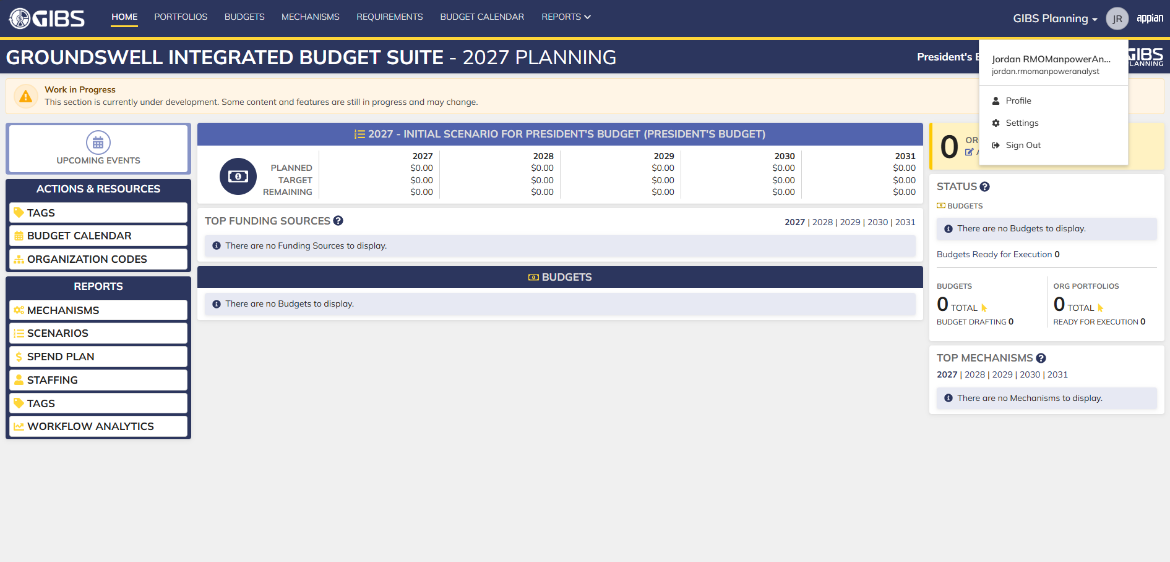
Evidences:
Scenario 1
 |  |  | Planning home page

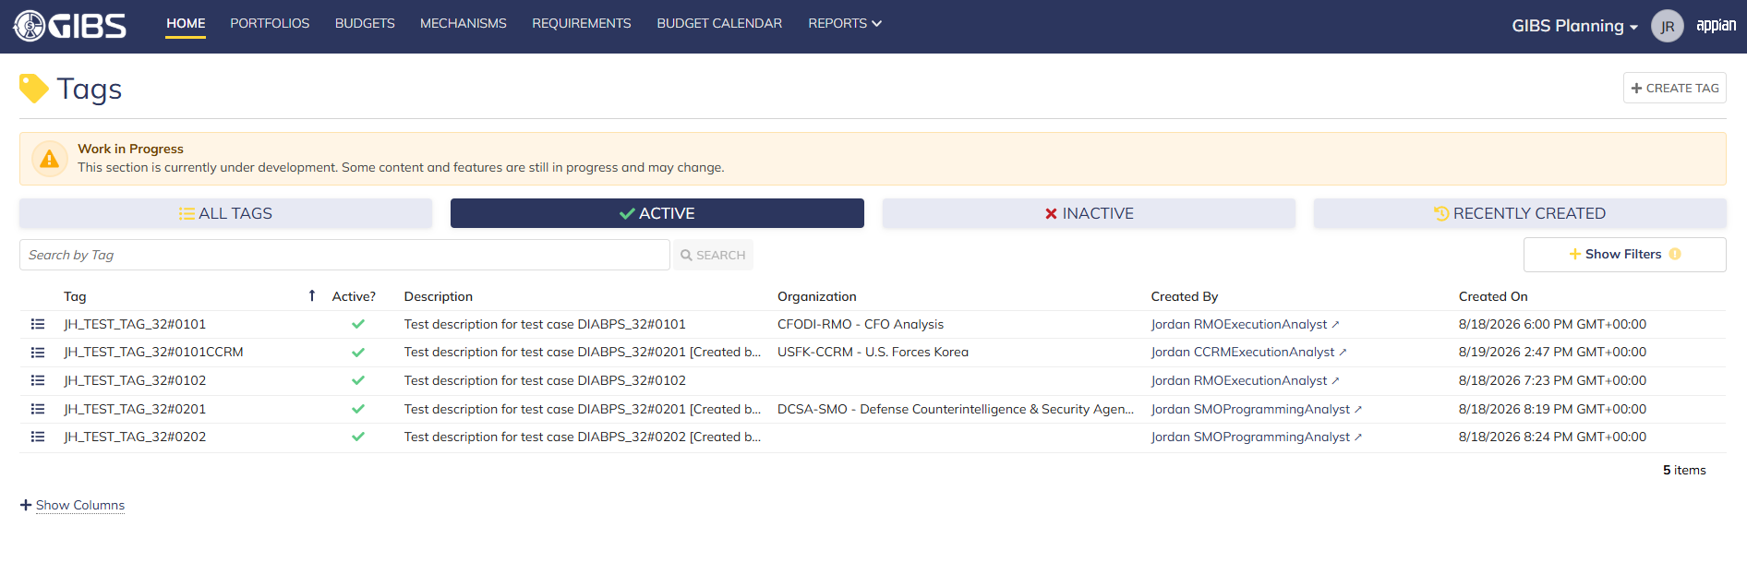
 |  |  | Tags record page

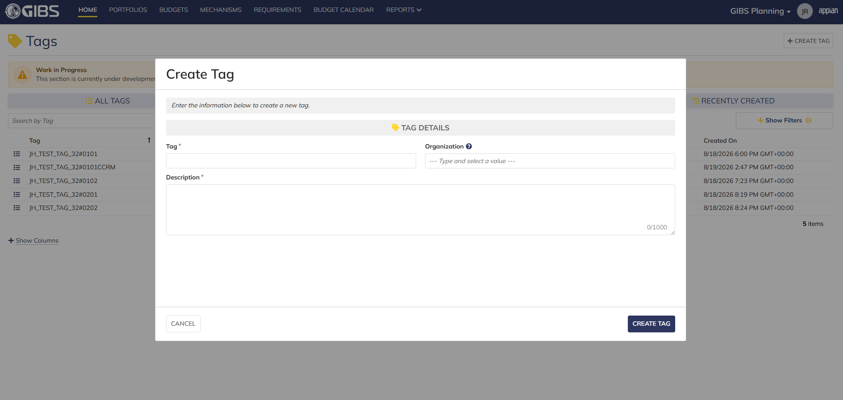
 |  |  | Tag creation form in pop-up window

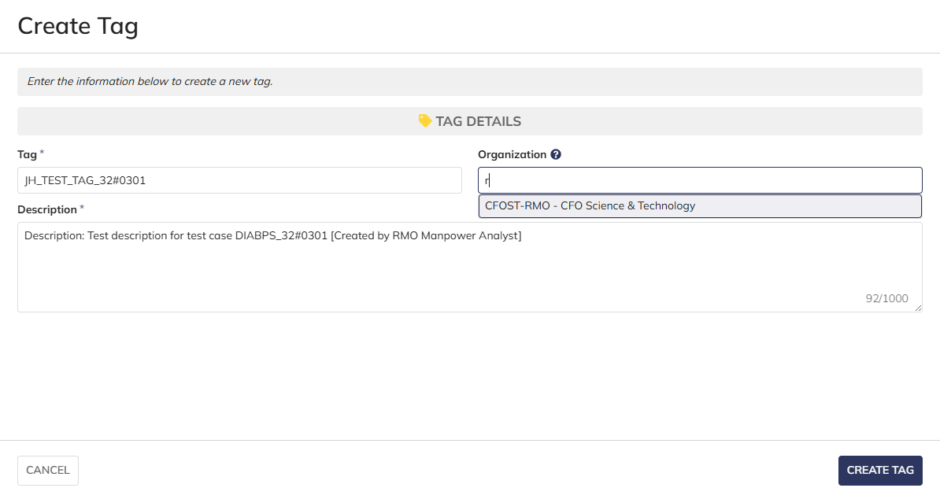
 |  |  | User can enter Tag and Description
 |  |  | For Organization, user can only select the RMO they are within

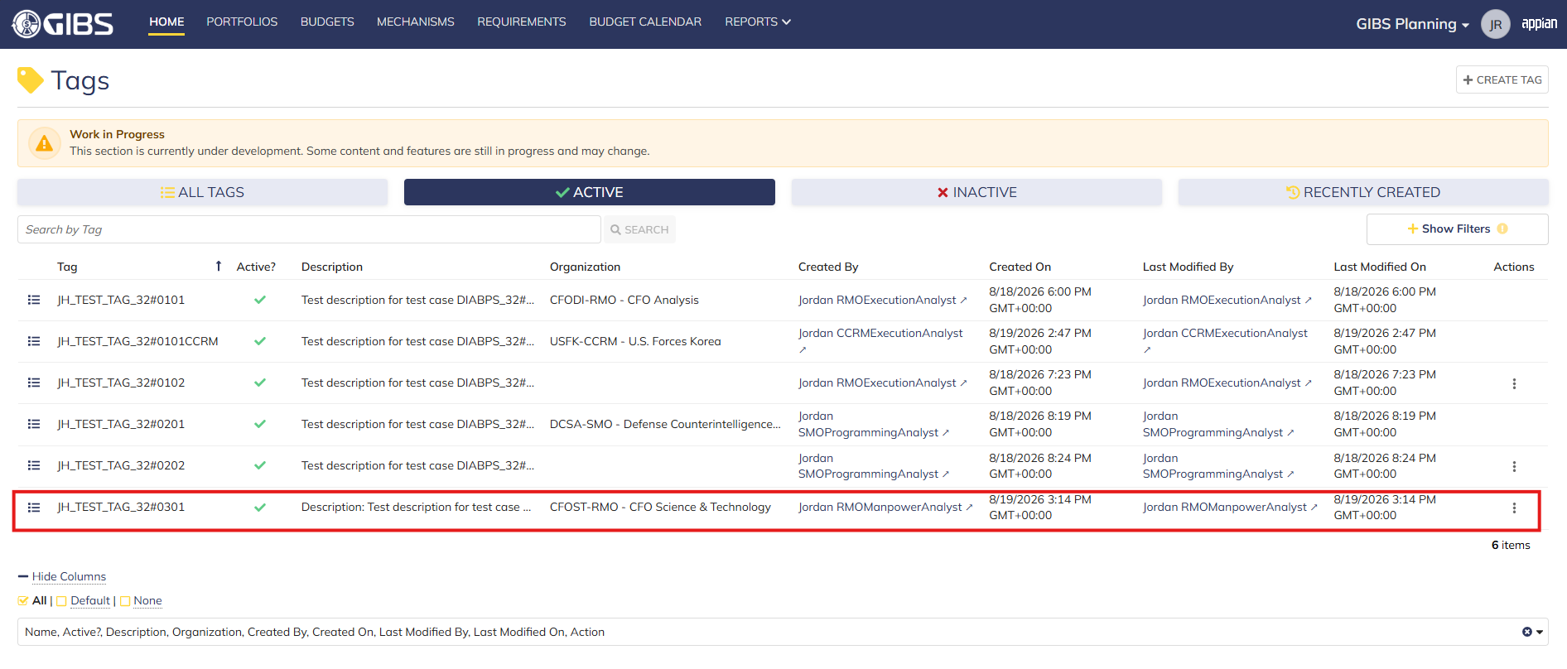
 |  |  | User successfully creates a tag within their organization. Tag is Active, all entered data is saved and audit information is saved

 |  |  | Summary View contains the same data

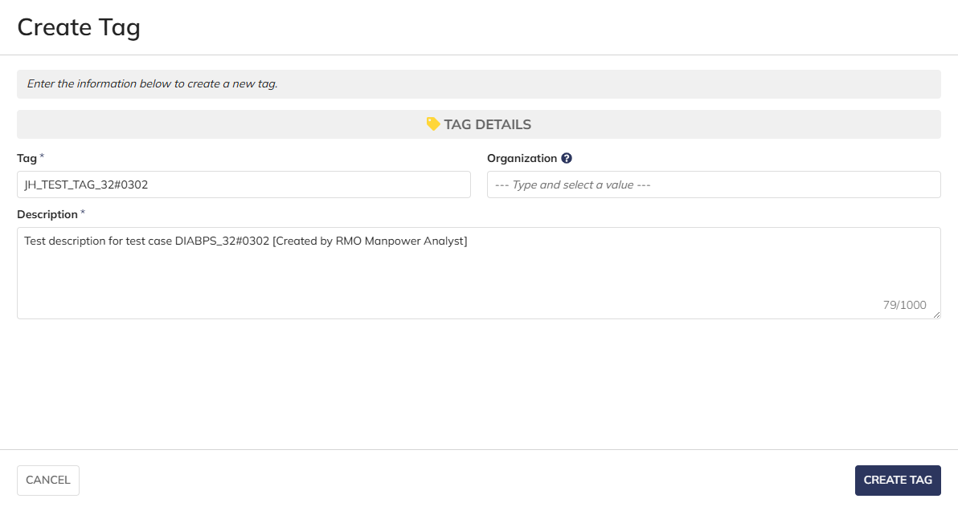
Scenario 2
 |  |  | User can create system-wide tags by leaving Organization blank

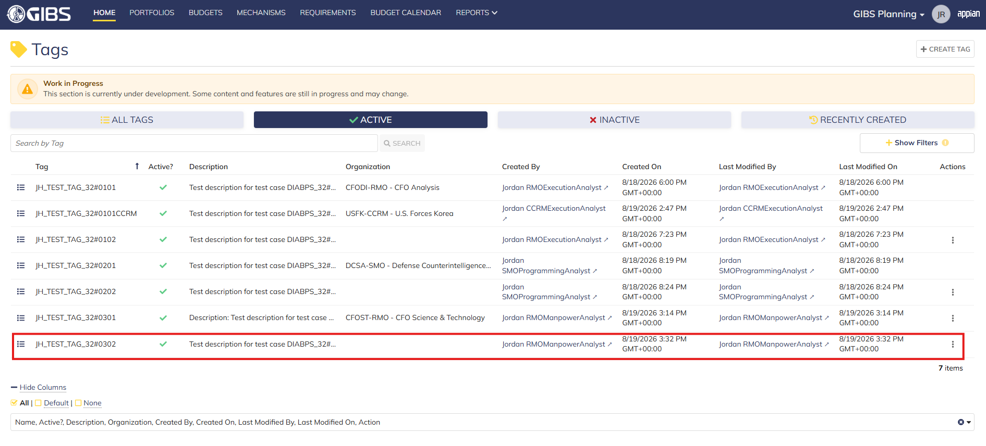
 |  |  | User successfully creates a system-wide tag. Tag is Active, all entered data is saved and audit information is saved

 |  |  | Summary View contains the same data

Execution Lead
DIABPS Sprint 1.1 - DIABPS-32 TEST CASES |  |  |  | TESTER INFO
Test Case ID: | DIABPS_32#04 |  |  | Created By: | Jordan Helman
User Story: | DIABPS-32 - Create a Tag (System-Wide) |  |  | Created On: | 2026-07-31
Story Description: | As a(n) Execution Admin, Programming Admin, Manpower Admin, Resource Management Lead, Execution Lead, Programming Lead, Manpower Lead, Execution Analyst, Programming Analyst, or Manpower Analyst, I can create a Tag that is within my organization or system-wide. |  |  | Reviewed By: | Kana Raghavan
User Role: | Execution Lead |  |  | Reviewed On: | 2026-08-14
Acceptance Criteria: |  |  |  | Executed By: | Jordan Helman
Environment: | DIABPS Test |  |  | Executed On: | 2026-08-19

TEST SCENARIO 1
Test Scenario: | An Execution Lead can create a new tag that is within their organization.
Pre-Conditions:
Execution Steps: |  | Input Data | Expected Result | Pass/Fail | Comments
STEP 1 | Log in as an Execution Lead https://ams-test.appiancloud.us/suite/ | Username: jordan.smoexecutionlead | The user logs in successfully and is now on the Planning Module Home page | Pass | [Jordan]: Tested as SMO
STEP 2 | Click the "TAGS" action located under ACTIONS & RESOURCES |  | The Tags record page displays | Pass
STEP 3 | Click the "+ CREATE TAG" button located on the top-right of the page |  | The Tag creation form displays in a pop-up window | Pass
STEP 4 | Tag* Text Field Enter a valid Tag | Tag: JH_TEST_TAG_32#0401 | The entered value persists with no error/validation message | Pass
STEP 5 | Description* Paragraph Field Enter a valid Description | Description: Test description for test case DIABPS_32#0401 [Created by SMO Execution Lead] | The entered value persists with no error/validation message | Pass
STEP 6 | Organization Picker Field Tooltip: "Leave blank to make this tag available system-wide to all users" View all available options for selection Select an Organization | Organization: AF-SMO - Air Force | 1. The available options are limited to RMO/CCRM/SMO that the user has a Lead role within 2. The selected value persists with no error/validation message | Pass
STEP 7 | Click the "CREATE TAG" button |  | The pop-up window closes | Pass
STEP 8 | Scroll to the bottom of the page and click the "Show Columns" link |  | A column selection section appears | Pass
STEP 9 | Click the "All" link |  | The "Last Modified By" and "Last Modified On" columns are added to the Tag record grid | Pass
STEP 10 | Verify a row for the new Tag appears in the grid |  |  | Pass
STEP 11 | Verify the data in each column for this row is correct |  |  | Pass
STEP 12 | Click the "View Details" icon located in the left-most column |  | A Tag summary view displays | Pass
STEP 13 | Verify all displayed data is correct |  |  | Pass
STEP 14 | Log out |  | The user is logged out of the application | Pass
Overall Status: | 1. A new Tag is created within the selected Organization 2. All data entered by the user is saved 3. The Tag's status is set to 'Active' 4. The system logs who created the tag and the timestamp |  |  | Pass

TEST SCENARIO 2
Test Scenario: | An Execution Lead can create a new system-wide tag.
Pre-Conditions:
Execution Steps: |  | Input Data | Expected Result | Pass/Fail | Comments
STEP 1 | Log in as an Execution Lead https://ams-test.appiancloud.us/suite/ | Username: jordan.smoexecutionlead | The user logs in successfully and is now on the Planning Module Home page | Pass | [Jordan]: Tested as SMO
STEP 2 | Click the "TAGS" action located under ACTIONS & RESOURCES |  | The Tags record page displays | Pass
STEP 3 | Click the "+ CREATE TAG" button located on the top-right of the page |  | The Tag creation form displays in a pop-up window | Pass
STEP 4 | Tag* Text Field Enter a valid Tag | Tag: JH_TEST_TAG_32#0402 | The entered value persists with no error/validation message | Pass
STEP 5 | Description* Paragraph Field Enter a valid Description | Description: Test description for test case DIABPS_32#0402 [Created by SMO Execution Lead] | The entered value persists with no error/validation message | Pass
STEP 6 | Click the "CREATE TAG" button |  | The pop-up window closes | Pass
STEP 7 | Scroll to the bottom of the page and click the "Show Columns" link |  | A column selection section appears | Pass
STEP 8 | Click the "All" link |  | The "Last Modified By" and "Last Modified On" columns are added to the Tag record grid | Pass
STEP 9 | Verify a row for the new Tag appears in the grid |  |  | Pass
STEP 10 | Verify the data in each column for this row is correct |  |  | Pass
STEP 11 | Click the "View Details" icon located in the left-most column |  | A Tag summary view displays | Pass
STEP 12 | Verify all displayed data is correct |  |  | Pass
STEP 13 | Log out |  | The user is logged out of the application | Pass
Overall Status: | 1. A new system-wide Tag is created 2. All data entered by the user is saved 3. The Tag's status is set to 'Active' 4. The system logs who created the tag and the timestamp |  |  | Pass


Evidences:
Scenario 1
 |  |  | Planning home page

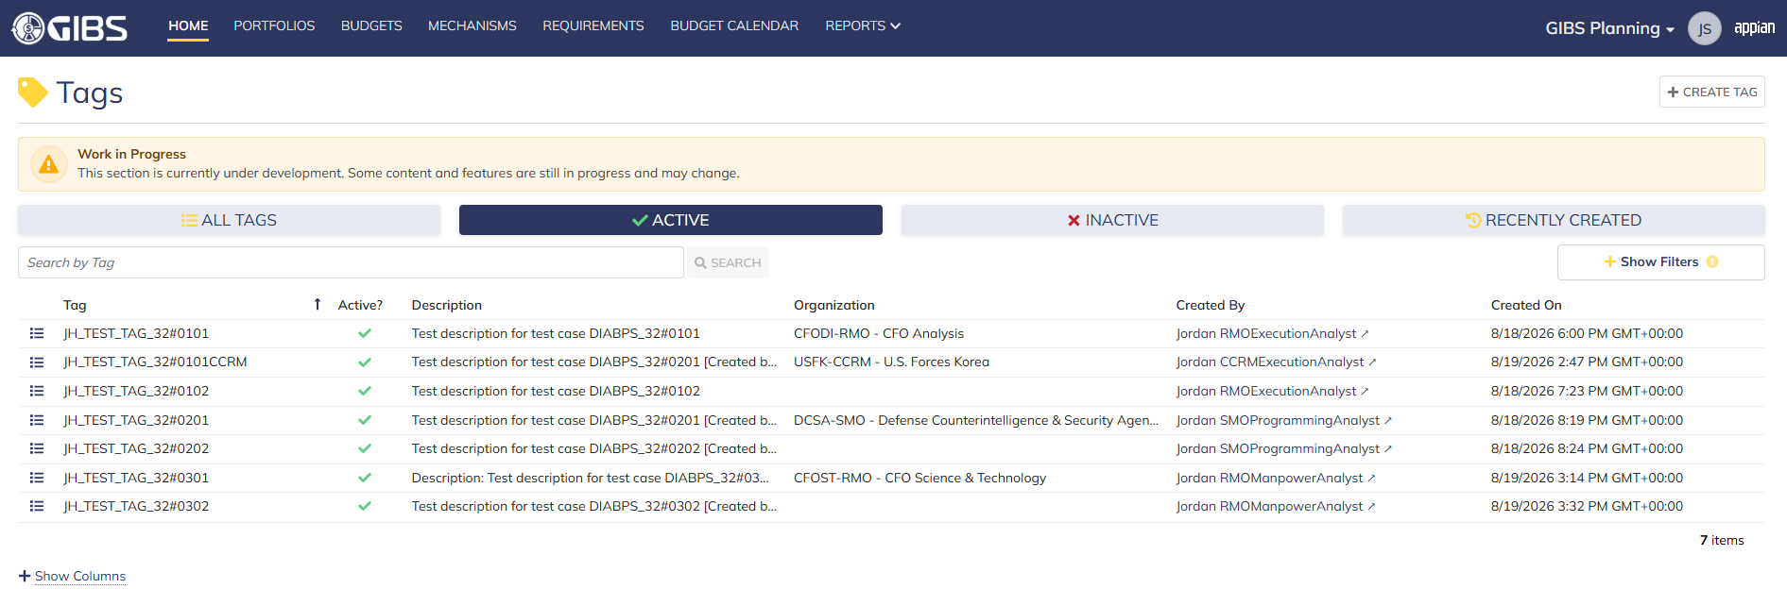
 |  |  | Tags record page


 |  |  | Tag creation form in pop-up window

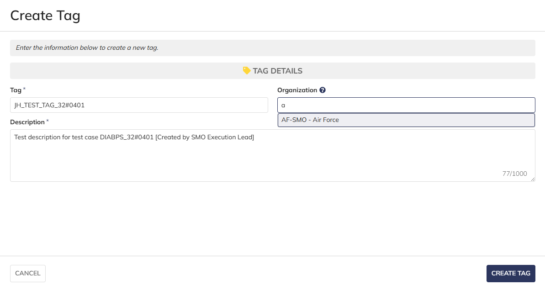
 |  |  | User can enter Tag and Description
 |  |  | For Organization, user can only select the RMO/CCRM/SMO they are within

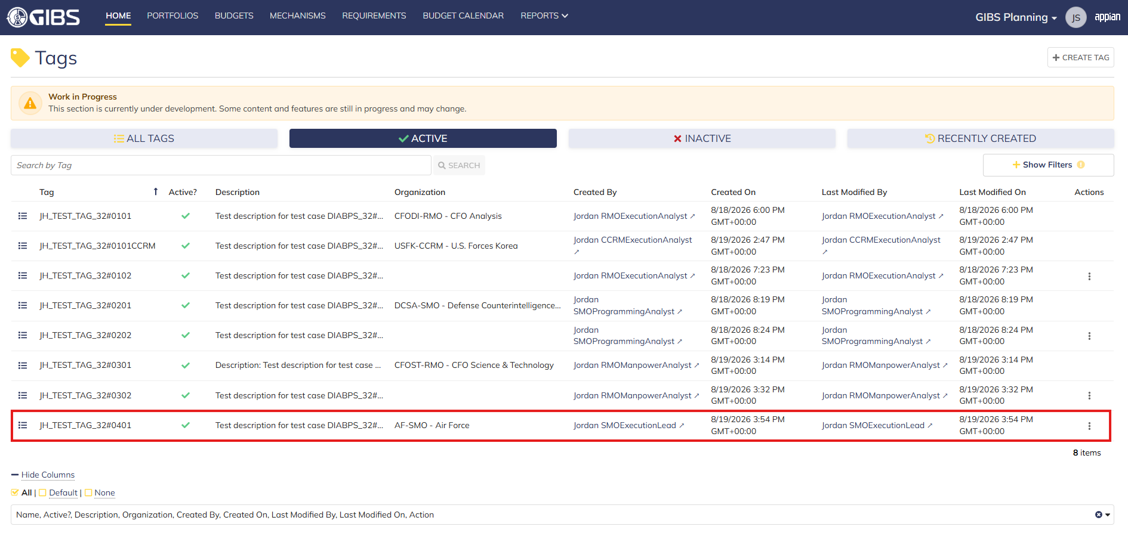
 |  |  | User successfully creates a tag within their organization. Tag is Active, all entered data is saved and audit information is saved

 |  |  | Summary View contains the same data


Scenario 2
 |  |  | User can create system-wide tags by leaving Organization blank

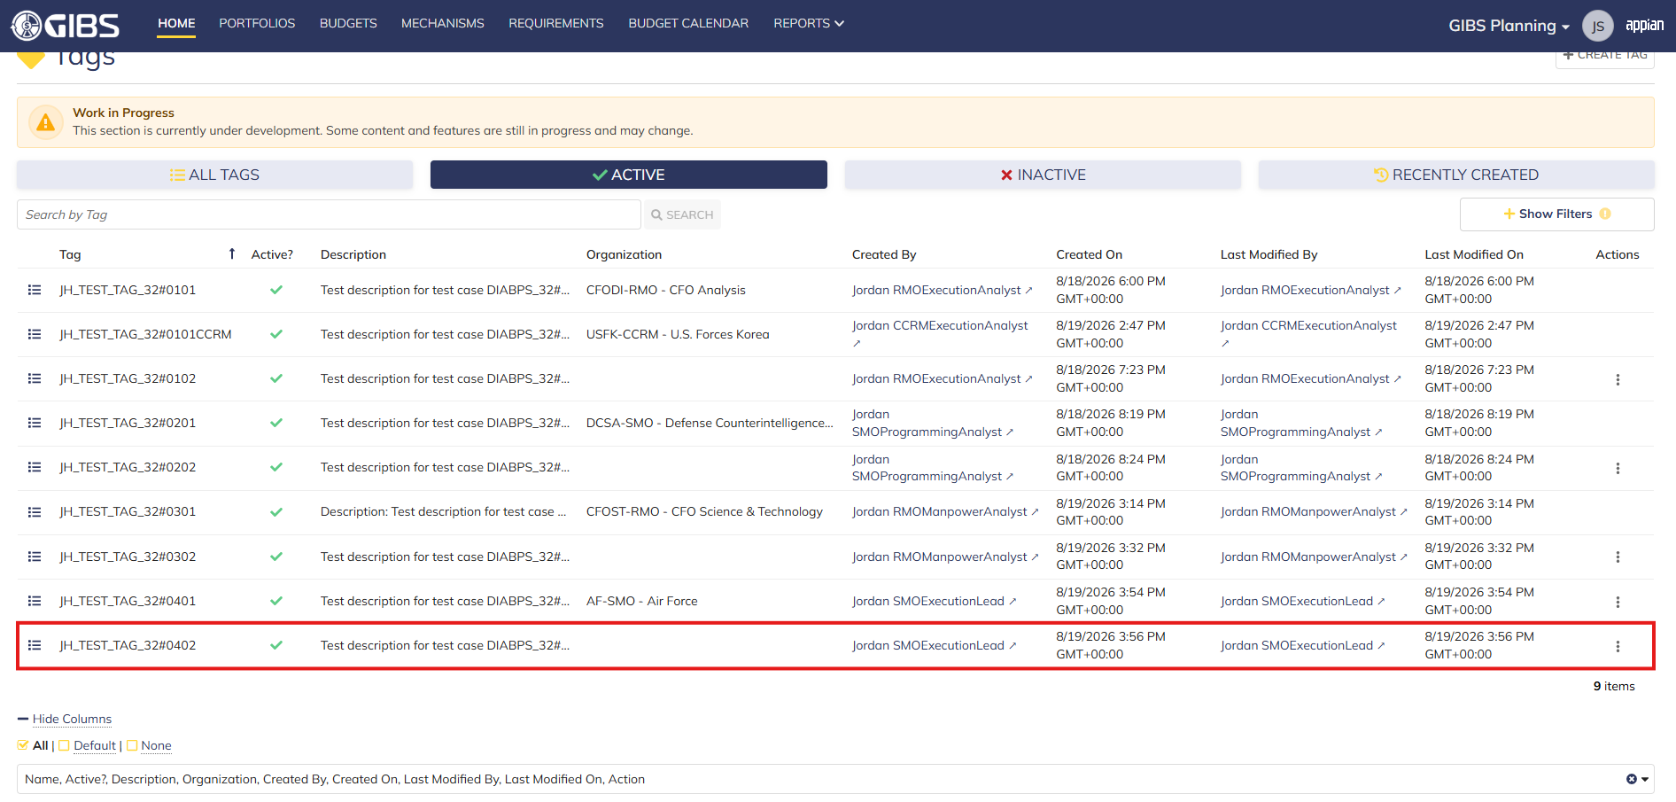
 |  |  | User successfully creates a system-wide tag. Tag is Active, all entered data is saved and audit information is saved

 |  |  | Summary View contains the same data

Programming Lead
DIABPS Sprint 1.1 - DIABPS-32 TEST CASES |  |  |  | TESTER INFO
Test Case ID: | DIABPS_32#05 |  |  | Created By: | Jordan Helman
User Story: | DIABPS-32 - Create a Tag (System-Wide) |  |  | Created On: | 2026-07-31
Story Description: | As a(n) Execution Admin, Programming Admin, Manpower Admin, Resource Management Lead, Execution Lead, Programming Lead, Manpower Lead, Execution Analyst, Programming Analyst, or Manpower Analyst, I can create a Tag that is within my organization or system-wide. |  |  | Reviewed By: | Kana Raghavan
User Role: | Programming Lead |  |  | Reviewed On: | 2026-08-14
Acceptance Criteria: |  |  |  | Executed By: | Jordan Helman
Environment: | DIABPS Test |  |  | Executed On: | 2026-08-19

TEST SCENARIO 1
Test Scenario: | A Programming Lead can create a new tag that is within their organization.
Pre-Conditions:
Execution Steps: |  | Input Data | Expected Result | Pass/Fail | Comments
STEP 1 | Log in as a Programming Lead https://ams-test.appiancloud.us/suite/ | Username: jordan.ccrmprogramminglead | The user logs in successfully and is now on the Planning Module Home page | Pass | [Jordan]: Tested as CCRM
STEP 2 | Click the "TAGS" action located under ACTIONS & RESOURCES |  | The Tags record page displays | Pass
STEP 3 | Click the "+ CREATE TAG" button located on the top-right of the page |  | The Tag creation form displays in a pop-up window | Pass
STEP 4 | Tag* Text Field Enter a valid Tag | Tag: JH_TEST_TAG_32#0501 | The entered value persists with no error/validation message | Pass
STEP 5 | Description* Paragraph Field Enter a valid Description | Description: Test description for test case DIABPS_32#0501 [Created by CCRM Programming Lead] | The entered value persists with no error/validation message | Pass
STEP 6 | Organization Picker Field Tooltip: "Leave blank to make this tag available system-wide to all users" View all available options for selection Select an Organization | Organization: USPACOM-CCRM - U.S. Pacific Command | 1. The available options are limited to RMO/CCRM/SMO that the user has a Lead role within 2. The selected value persists with no error/validation message | Pass
STEP 7 | Click the "CREATE TAG" button |  | The pop-up window closes | Pass
STEP 8 | Scroll to the bottom of the page and click the "Show Columns" link |  | A column selection section appears | Pass
STEP 9 | Click the "All" link |  | The "Last Modified By" and "Last Modified On" columns are added to the Tag record grid | Pass
STEP 10 | Verify a row for the new Tag appears in the grid |  |  | Pass
STEP 11 | Verify the data in each column for this row is correct |  |  | Pass
STEP 12 | Click the "View Details" icon located in the left-most column |  | A Tag summary view displays | Pass
STEP 13 | Verify all displayed data is correct |  |  | Pass
STEP 14 | Log out |  | The user is logged out of the application | Pass
Overall Status: | 1. A new Tag is created within the selected Organization 2. All data entered by the user is saved 3. The Tag's status is set to 'Active' 4. The system logs who created the tag and the timestamp |  |  | Pass

TEST SCENARIO 2
Test Scenario: | A Programming Lead can create a new system-wide tag.
Pre-Conditions:
Execution Steps: |  | Input Data | Expected Result | Pass/Fail | Comments
STEP 1 | Log in as a Programming Lead https://ams-test.appiancloud.us/suite/ | Username: jordan.ccrmprogramminglead | The user logs in successfully and is now on the Planning Module Home page | Pass | [Jordan]: Tested as CCRM
STEP 2 | Click the "TAGS" action located under ACTIONS & RESOURCES |  | The Tags record page displays | Pass
STEP 3 | Click the "+ CREATE TAG" button located on the top-right of the page |  | The Tag creation form displays in a pop-up window | Pass
STEP 4 | Tag* Text Field Enter a valid Tag | Tag: JH_TEST_TAG_32#0502 | The entered value persists with no error/validation message | Pass
STEP 5 | Description* Paragraph Field Enter a valid Description | Description: Test description for test case DIABPS_32#0502 [Created by CCRM Programming Lead] | The entered value persists with no error/validation message | Pass
STEP 6 | Click the "CREATE TAG" button |  | The pop-up window closes | Pass
STEP 7 | Scroll to the bottom of the page and click the "Show Columns" link |  | A column selection section appears | Pass
STEP 8 | Click the "All" link |  | The "Last Modified By" and "Last Modified On" columns are added to the Tag record grid | Pass
STEP 9 | Verify a row for the new Tag appears in the grid |  |  | Pass
STEP 10 | Verify the data in each column for this row is correct |  |  | Pass
STEP 11 | Click the "View Details" icon located in the left-most column |  | A Tag summary view displays | Pass
STEP 12 | Verify all displayed data is correct |  |  | Pass
STEP 13 | Log out |  | The user is logged out of the application | Pass
Overall Status: | 1. A new system-wide Tag is created 2. All data entered by the user is saved 3. The Tag's status is set to 'Active' 4. The system logs who created the tag and the timestamp |  |  | Pass

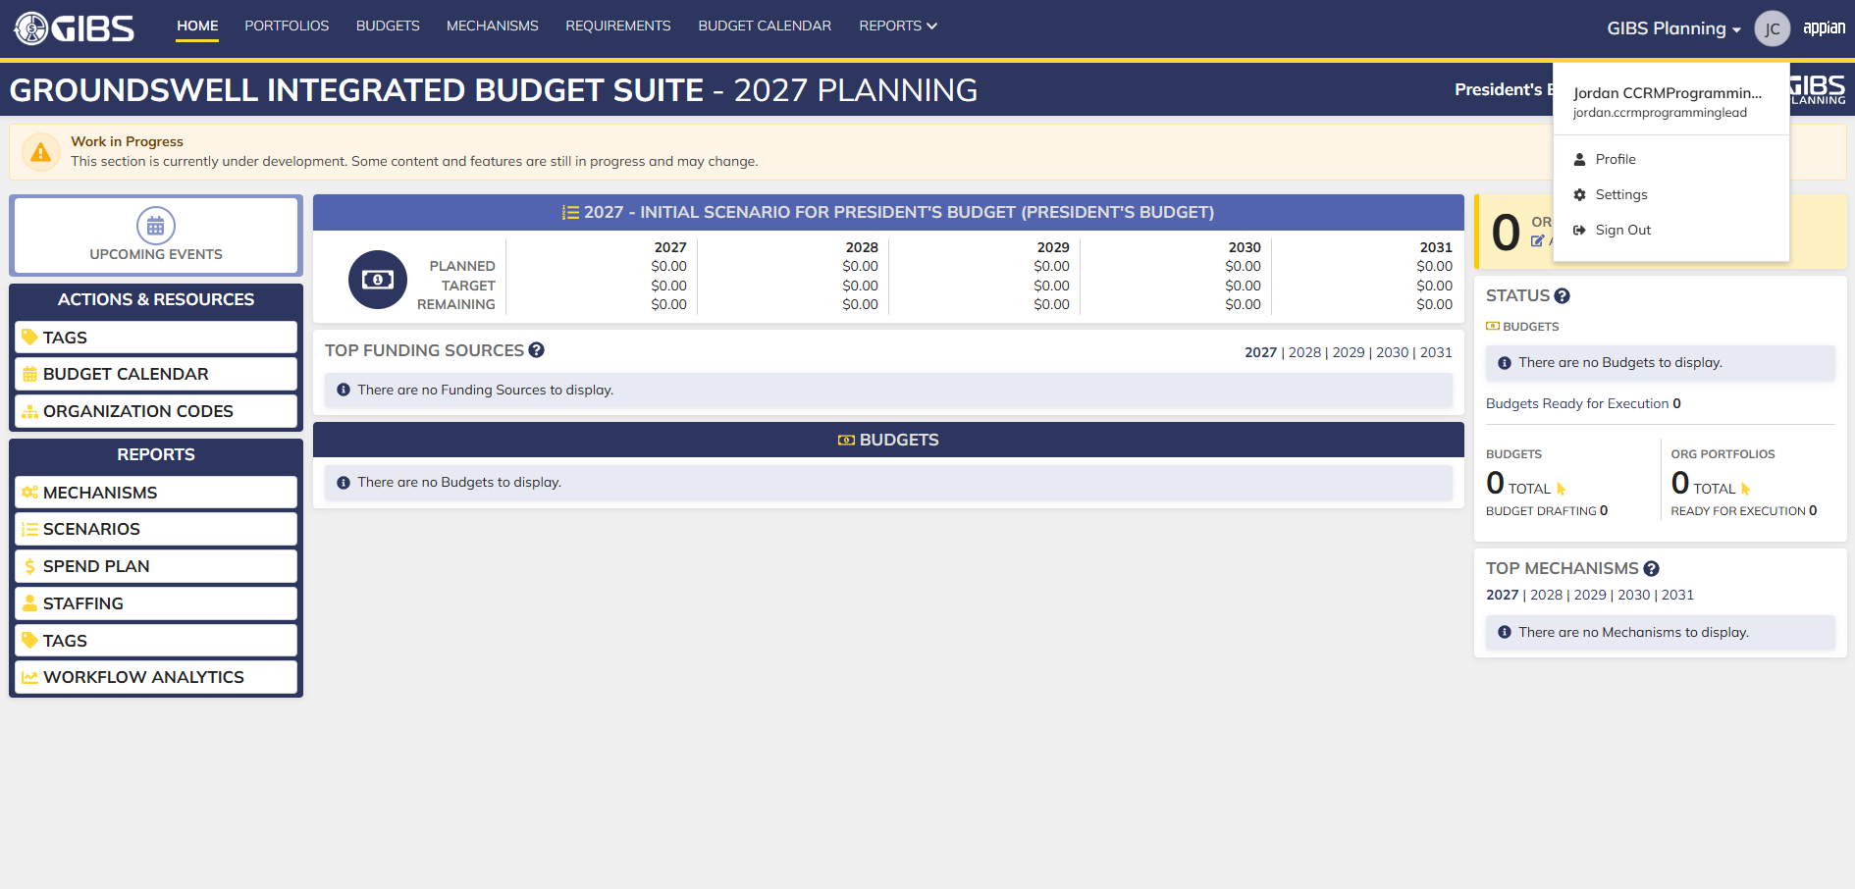
Evidences:
Scenario 1
 |  |  | Planning home page

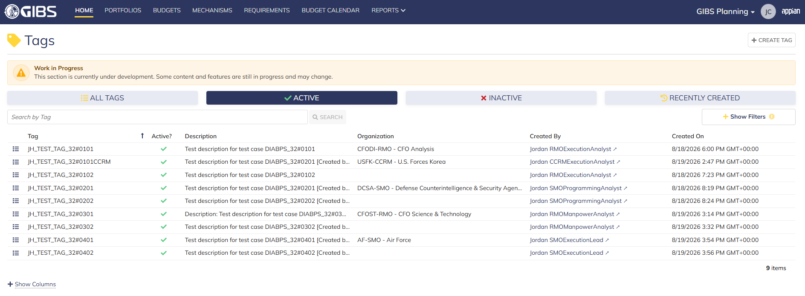
 |  |  | Tags record page


 |  |  | Tag creation form in pop-up window

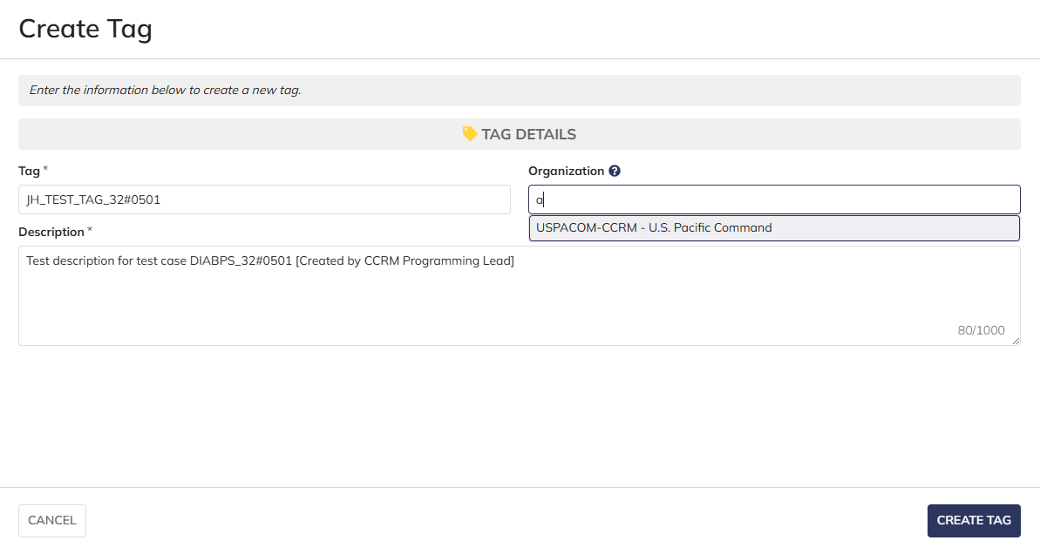
 |  |  | User can enter Tag and Description
 |  |  | For Organization, user can only select the RMO/CCRM/SMO they are within

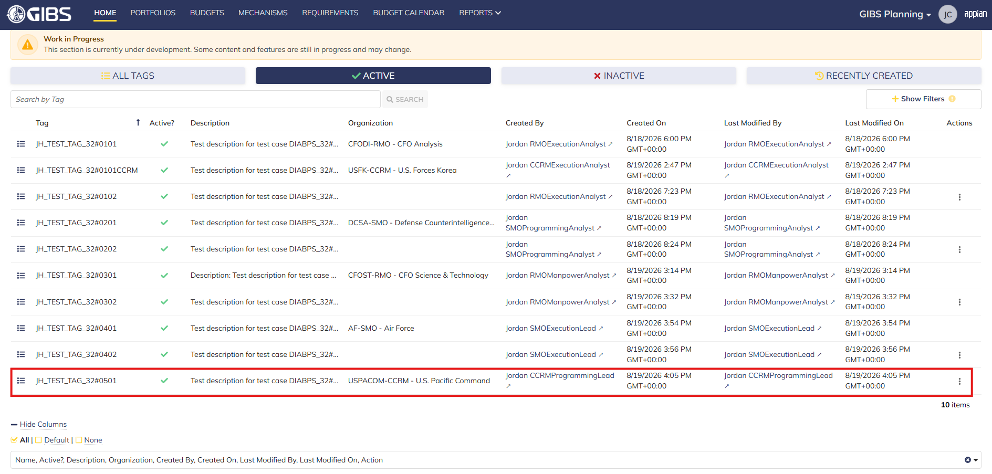
 |  |  | User successfully creates a tag within their organization. Tag is Active, all entered data is saved and audit information is saved

 |  |  | Summary View contains the same data

Scenario 2
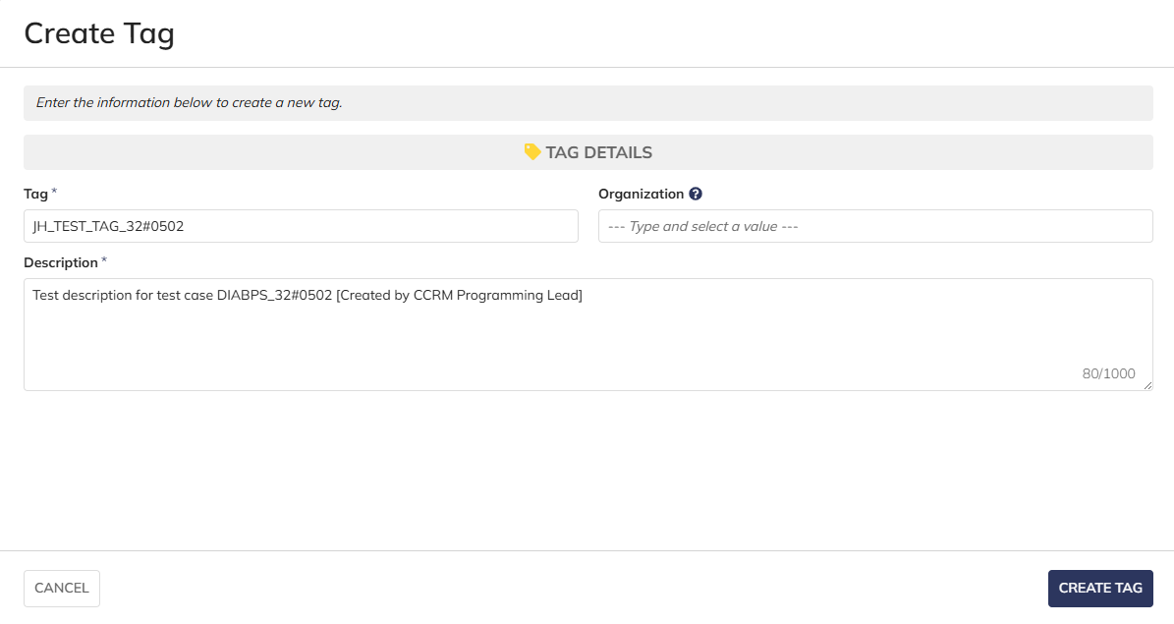
 |  |  | User can create system-wide tags by leaving Organization blank

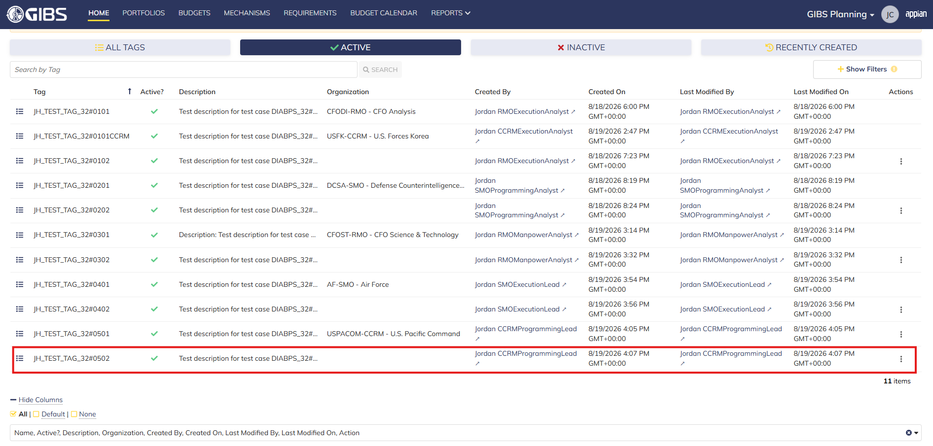
 |  |  | User successfully creates a system-wide tag. Tag is Active, all entered data is saved and audit information is saved

 |  |  | Summary View contains the same data

Manpower Lead
DIABPS Sprint 1.1 - DIABPS-32 TEST CASES |  |  |  | TESTER INFO
Test Case ID: | DIABPS_32#06 |  |  | Created By: | Jordan Helman
User Story: | DIABPS-32 - Create a Tag (System-Wide) |  |  | Created On: | 2026-07-31
Story Description: | As a(n) Execution Admin, Programming Admin, Manpower Admin, Resource Management Lead, Execution Lead, Programming Lead, Manpower Lead, Execution Analyst, Programming Analyst, or Manpower Analyst, I can create a Tag that is within my organization or system-wide. |  |  | Reviewed By: | Kana Raghavan
User Role: | Manpower Lead |  |  | Reviewed On: | 2026-08-14
Acceptance Criteria: |  |  |  | Executed By: | Jordan Helman
Environment: | DIABPS Test |  |  | Executed On: | 2026-08-19

TEST SCENARIO 1
Test Scenario: | A Manpower Lead can create a new tag that is within their organization.
Pre-Conditions:
Execution Steps: |  | Input Data | Expected Result | Pass/Fail | Comments
STEP 1 | Log in as a Manpower Lead https://ams-test.appiancloud.us/suite/ | Username: jordan.rmomanpowerlead | The user logs in successfully and is now on the Planning Module Home page | Pass | [Jordan]: Tested as RMO
STEP 2 | Click the "TAGS" action located under ACTIONS & RESOURCES |  | The Tags record page displays | Pass
STEP 3 | Click the "+ CREATE TAG" button located on the top-right of the page |  | The Tag creation form displays in a pop-up window | Pass
STEP 4 | Tag* Text Field Enter a valid Tag | Tag: JH_TEST_TAG_32#0601 | The entered value persists with no error/validation message | Pass
STEP 5 | Description* Paragraph Field Enter a valid Description | Description: Test description for test case DIABPS_32#0601 [Created by RMO Manpower Lead] | The entered value persists with no error/validation message | Pass
STEP 6 | Organization Picker Field Tooltip: "Leave blank to make this tag available system-wide to all users" View all available options for selection Select an Organization | Organization: CFOST-RMO - CFO Science & Technology | 1. The available options are limited to RMO that the user has a Lead role within 2. The selected value persists with no error/validation message | Pass
STEP 7 | Click the "CREATE TAG" button |  | The pop-up window closes | Pass
STEP 8 | Scroll to the bottom of the page and click the "Show Columns" link |  | A column selection section appears | Pass
STEP 9 | Click the "All" link |  | The "Last Modified By" and "Last Modified On" columns are added to the Tag record grid | Pass
STEP 10 | Verify a row for the new Tag appears in the grid |  |  | Pass
STEP 11 | Verify the data in each column for this row is correct |  |  | Pass
STEP 12 | Click the "View Details" icon located in the left-most column |  | A Tag summary view displays | Pass
STEP 13 | Verify all displayed data is correct |  |  | Pass
STEP 14 | Log out |  | The user is logged out of the application | Pass
Overall Status: | 1. A new Tag is created within the selected Organization 2. All data entered by the user is saved 3. The Tag's status is set to 'Active' 4. The system logs who created the tag and the timestamp |  |  | Pass

TEST SCENARIO 2
Test Scenario: | A Manpower Lead can create a new system-wide tag.
Pre-Conditions:
Execution Steps: |  | Input Data | Expected Result | Pass/Fail | Comments
STEP 1 | Log in as a Manpower Lead https://ams-test.appiancloud.us/suite/ | Username: jordan.rmomanpowerlead | The user logs in successfully and is now on the Planning Module Home page | Pass | [Jordan]: Tested as RMO
STEP 2 | Click the "TAGS" action located under ACTIONS & RESOURCES |  | The Tags record page displays | Pass
STEP 3 | Click the "+ CREATE TAG" button located on the top-right of the page |  | The Tag creation form displays in a pop-up window | Pass
STEP 4 | Tag* Text Field Enter a valid Tag | Tag: JH_TEST_TAG_32#0602 | The entered value persists with no error/validation message | Pass
STEP 5 | Description* Paragraph Field Enter a valid Description | Description: Test description for test case DIABPS_32#0602 [Created by RMO Manpower Lead] | The entered value persists with no error/validation message | Pass
STEP 6 | Click the "CREATE TAG" button |  | The pop-up window closes | Pass
STEP 7 | Scroll to the bottom of the page and click the "Show Columns" link |  | A column selection section appears | Pass
STEP 8 | Click the "All" link |  | The "Last Modified By" and "Last Modified On" columns are added to the Tag record grid | Pass
STEP 9 | Verify a row for the new Tag appears in the grid |  |  | Pass
STEP 10 | Verify the data in each column for this row is correct |  |  | Pass
STEP 11 | Click the "View Details" icon located in the left-most column |  | A Tag summary view displays | Pass
STEP 12 | Verify all displayed data is correct |  |  | Pass
STEP 13 | Log out |  | The user is logged out of the application | Pass
Overall Status: | 1. A new system-wide Tag is created 2. All data entered by the user is saved 3. The Tag's status is set to 'Active' 4. The system logs who created the tag and the timestamp |  |  | Pass

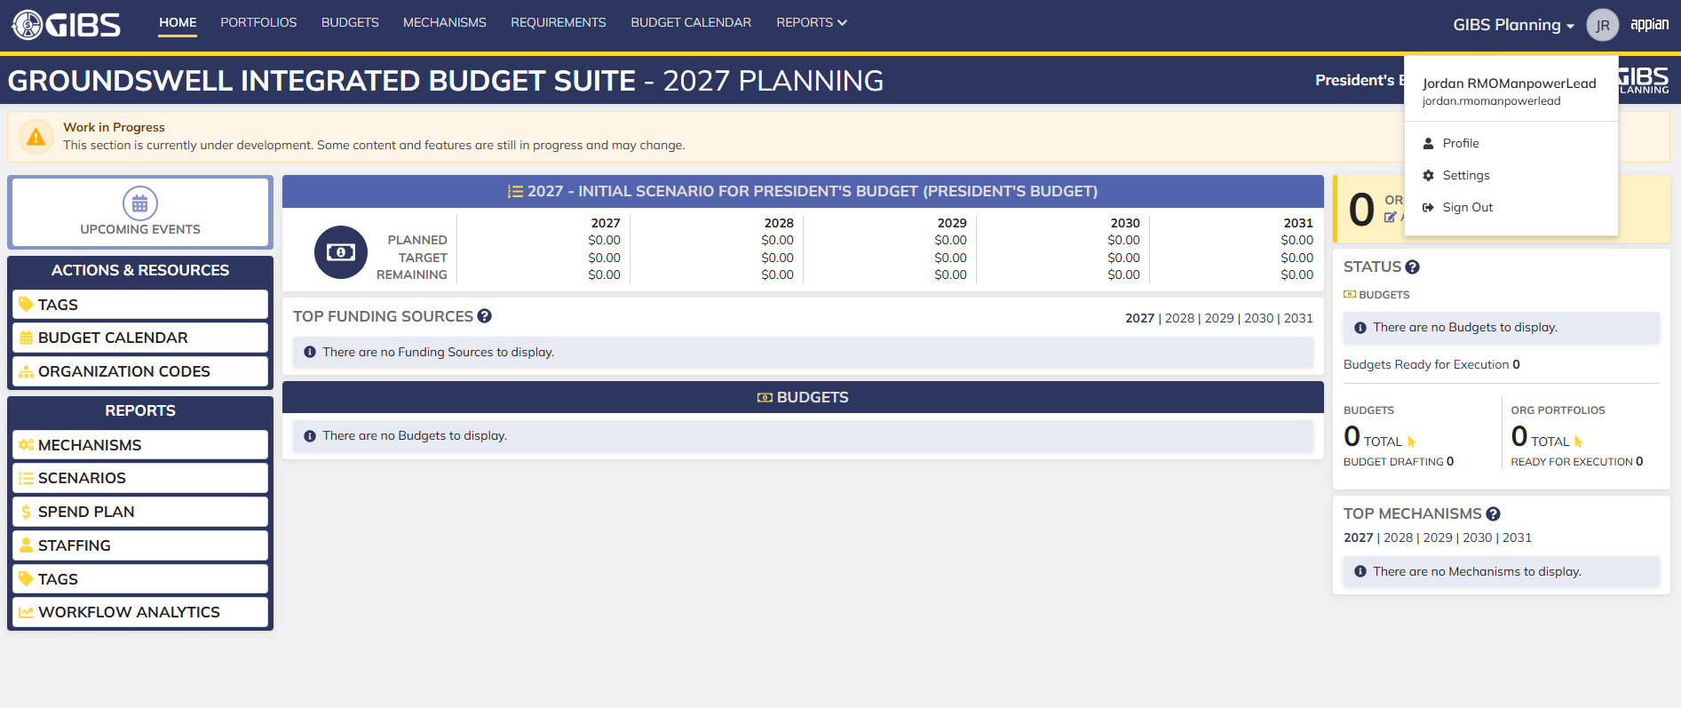
Evidences:
Scenario 1
 |  |  | Planning home page

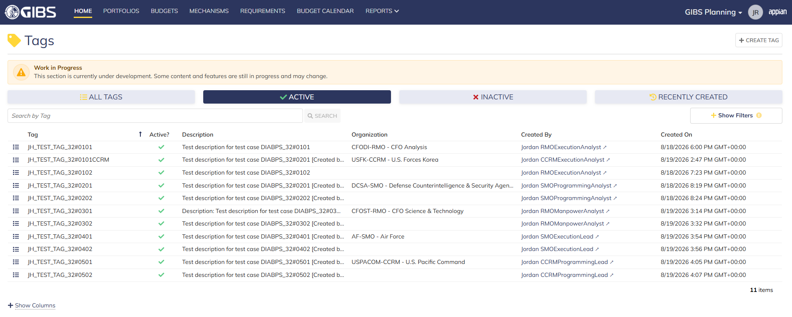
 |  |  | Tags record page


 |  |  | Tag creation form in pop-up window


 |  |  | User can enter Tag and Description
 |  |  | For Organization, user can only select the RMO they are within

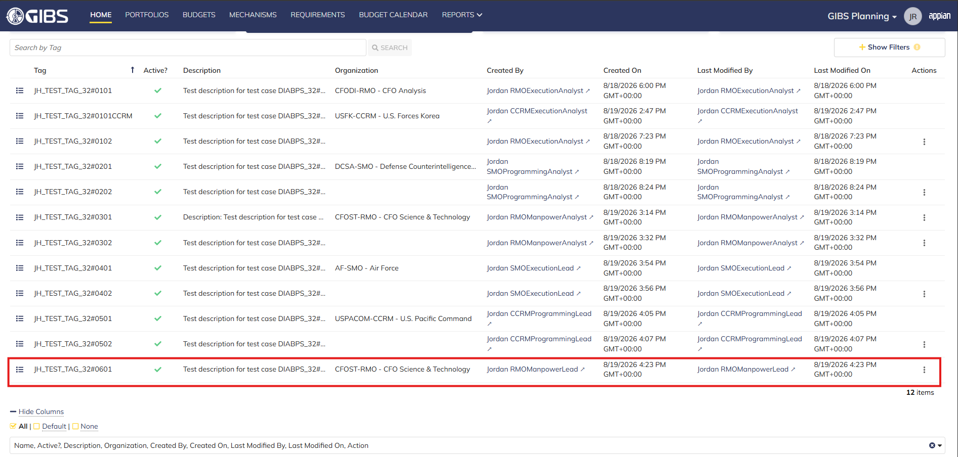
 |  |  | User successfully creates a tag within their organization. Tag is Active, all entered data is saved and audit information is saved

 |  |  | Summary View contains the same data

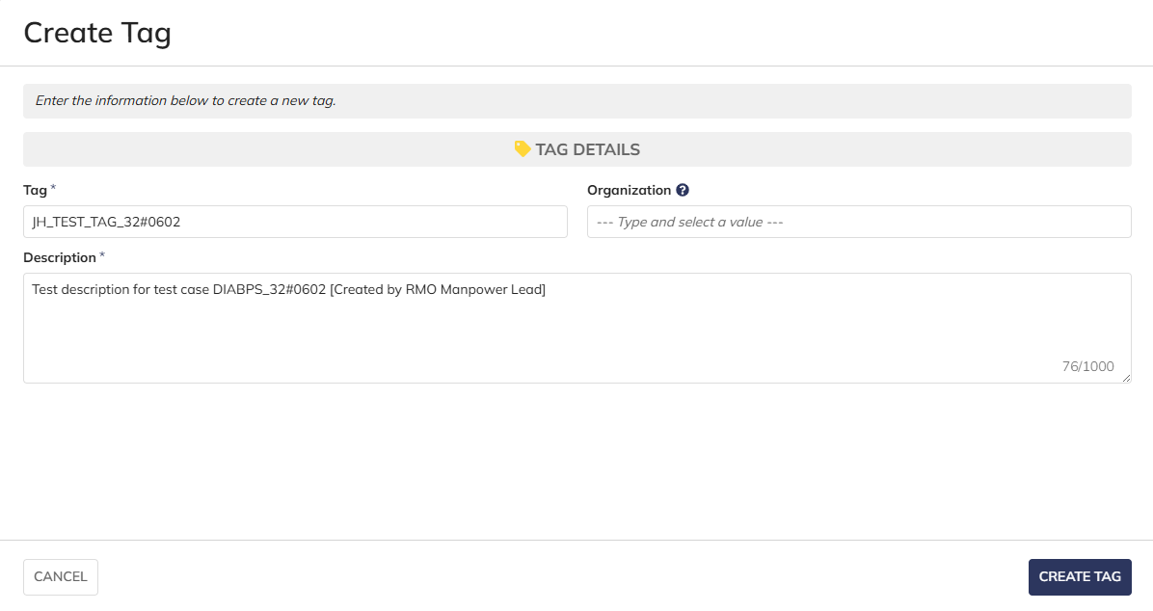
Scenario 2
 |  |  | User can create system-wide tags by leaving Organization blank

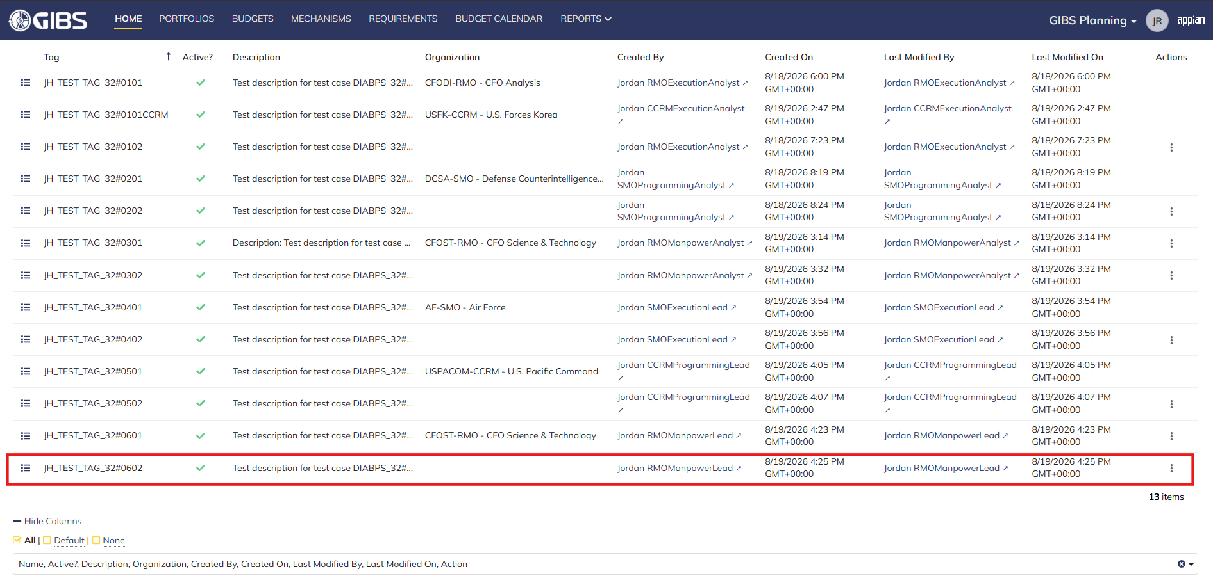
 |  |  | User successfully creates a system-wide tag. Tag is Active, all entered data is saved and audit information is saved

 |  |  | Summary View contains the same data

Resource Management Lead
DIABPS Sprint 1.1 - DIABPS-32 TEST CASES |  |  |  | TESTER INFO
Test Case ID: | DIABPS_32#07 |  |  | Created By: | Jordan Helman
User Story: | DIABPS-32 - Create a Tag (System-Wide) |  |  | Created On: | 2026-07-31
Story Description: | As a(n) Execution Admin, Programming Admin, Manpower Admin, Resource Management Lead, Execution Lead, Programming Lead, Manpower Lead, Execution Analyst, Programming Analyst, or Manpower Analyst, I can create a Tag that is within my organization or system-wide. |  |  | Reviewed By: | Kana Raghavan
User Role: | Resource Management Lead |  |  | Reviewed On: | 2026-08-14
Acceptance Criteria: |  |  |  | Executed By: | Jordan Helman
Environment: | DIABPS Test |  |  | Executed On: | 2026-08-19

TEST SCENARIO 1
Test Scenario: | A Resource Management Lead can create a new tag that is within their organization.
Pre-Conditions:
Execution Steps: |  | Input Data | Expected Result | Pass/Fail | Comments
STEP 1 | Log in as a Resource Management Lead https://ams-test.appiancloud.us/suite/ | Username: jordan.ccrmresourcemanagementlead | The user logs in successfully and is now on the Planning Module Home page | Pass | [Jordan]: Tested as CCRM
STEP 2 | Click the "TAGS" action located under ACTIONS & RESOURCES |  | The Tags record page displays | Pass
STEP 3 | Click the "+ CREATE TAG" button located on the top-right of the page |  | The Tag creation form displays in a pop-up window | Pass
STEP 4 | Tag* Text Field Enter a valid Tag | Tag: JH_TEST_TAG_32#0701 | The entered value persists with no error/validation message | Pass
STEP 5 | Description* Paragraph Field Enter a valid Description | Description: Test description for test case DIABPS_32#0701 [Created by CCRM Resource Management Lead] | The entered value persists with no error/validation message | Pass
STEP 6 | Organization Picker Field Tooltip: "Leave blank to make this tag available system-wide to all users" View all available options for selection Select an Organization | Organization: USCYBERCOM-CCRM - U.S. Cyber Command | 1. The available options are limited to RMO/CCRM/SMO that the user has a Lead role within 2. The selected value persists with no error/validation message | Pass
STEP 7 | Click the "CREATE TAG" button |  | The pop-up window closes | Pass
STEP 8 | Scroll to the bottom of the page and click the "Show Columns" link |  | A column selection section appears | Pass
STEP 9 | Click the "All" link |  | The "Last Modified By" and "Last Modified On" columns are added to the Tag record grid | Pass
STEP 10 | Verify a row for the new Tag appears in the grid |  |  | Pass
STEP 11 | Verify the data in each column for this row is correct |  |  | Pass
STEP 12 | Click the "View Details" icon located in the left-most column |  | A Tag summary view displays | Pass
STEP 13 | Verify all displayed data is correct |  |  | Pass
STEP 14 | Log out |  | The user is logged out of the application | Pass
Overall Status: | 1. A new Tag is created within the selected Organization 2. All data entered by the user is saved 3. The Tag's status is set to 'Active' 4. The system logs who created the tag and the timestamp |  |  | Pass

TEST SCENARIO 2
Test Scenario: | A Resource Management Lead can create a new system-wide tag.
Pre-Conditions:
Execution Steps: |  | Input Data | Expected Result | Pass/Fail | Comments
STEP 1 | Log in as a Resource Management Lead https://ams-test.appiancloud.us/suite/ | Username: jordan.ccrmresourcemanagementlead | The user logs in successfully and is now on the Planning Module Home page | Pass | [Jordan]: Tested as CCRM
STEP 2 | Click the "TAGS" action located under ACTIONS & RESOURCES |  | The Tags record page displays | Pass
STEP 3 | Click the "+ CREATE TAG" button located on the top-right of the page |  | The Tag creation form displays in a pop-up window | Pass
STEP 4 | Tag* Text Field Enter a valid Tag | Tag: JH_TEST_TAG_32#0702 | The entered value persists with no error/validation message | Pass
STEP 5 | Description* Paragraph Field Enter a valid Description | Description: Test description for test case DIABPS_32#0702 [Created by CCRM Resource Management Lead] | The entered value persists with no error/validation message | Pass
STEP 6 | Click the "CREATE TAG" button |  | The pop-up window closes | Pass
STEP 7 | Scroll to the bottom of the page and click the "Show Columns" link |  | A column selection section appears | Pass
STEP 8 | Click the "All" link |  | The "Last Modified By" and "Last Modified On" columns are added to the Tag record grid | Pass
STEP 9 | Verify a row for the new Tag appears in the grid |  |  | Pass
STEP 10 | Verify the data in each column for this row is correct |  |  | Pass
STEP 11 | Click the "View Details" icon located in the left-most column |  | A Tag summary view displays | Pass
STEP 12 | Verify all displayed data is correct |  |  | Pass
STEP 13 | Log out |  | The user is logged out of the application | Pass
Overall Status: | 1. A new system-wide Tag is created 2. All data entered by the user is saved 3. The Tag's status is set to 'Active' 4. The system logs who created the tag and the timestamp |  |  | Pass

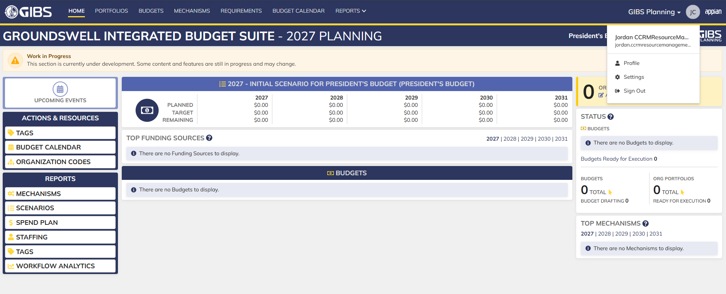
Evidences:
Scenario 1
 |  |  | Planning home page

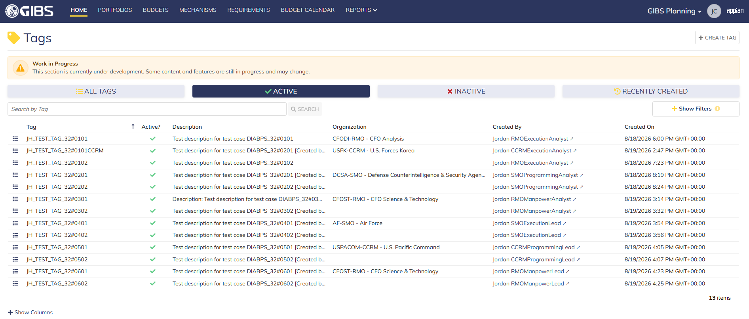
 |  |  | Tags record page


 |  |  | Tag creation form in pop-up window


 |  |  | User can enter Tag and Description
 |  |  | For Organization, user can only select the RMO/CCRM/SMO they are within

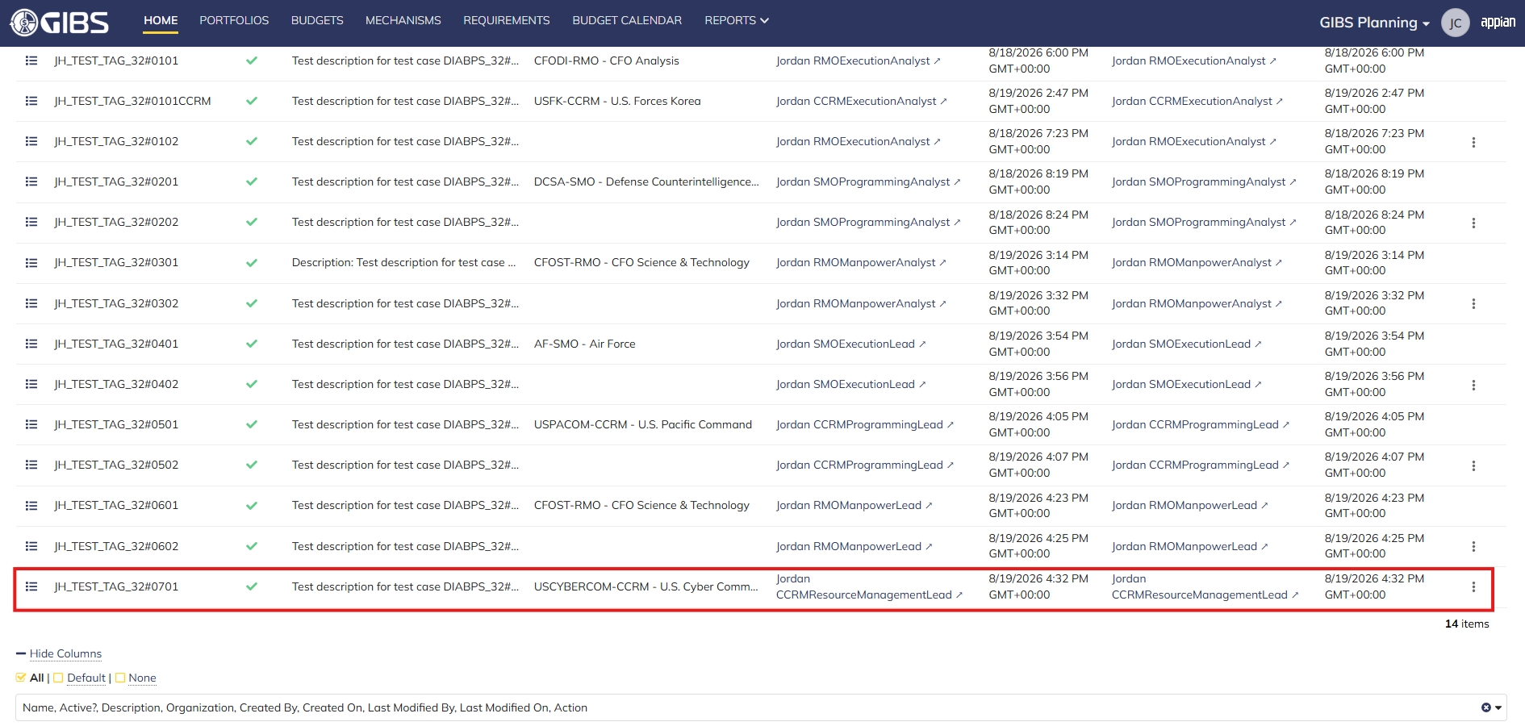
 |  |  | User successfully creates a tag within their organization. Tag is Active, all entered data is saved and audit information is saved

 |  |  | Summary View contains the same data


Scenario 2
 |  |  | User can create system-wide tags by leaving Organization blank

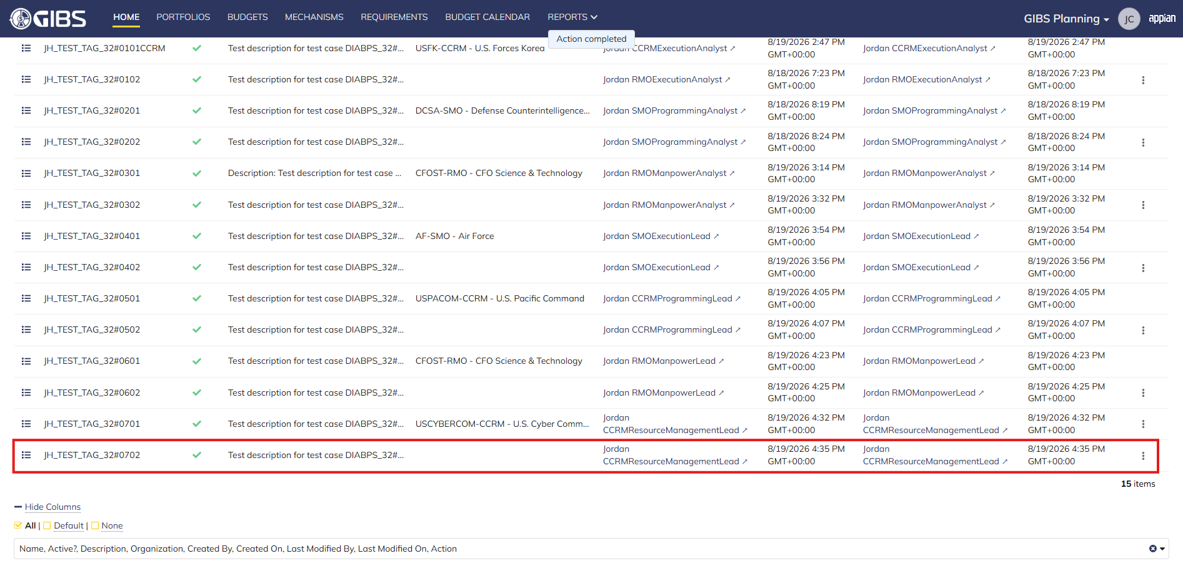
 |  |  | User successfully creates a system-wide tag. Tag is Active, all entered data is saved and audit information is saved

 |  |  | Summary View contains the same data

Execution Admin
DIABPS Sprint 1.1 - DIABPS-32 TEST CASES |  |  |  | TESTER INFO
Test Case ID: | DIABPS_32#08 |  |  | Created By: | Jordan Helman
User Story: | DIABPS-32 - Create a Tag (System-Wide) |  |  | Created On: | 2026-07-31
Story Description: | As a(n) Execution Admin, Programming Admin, Manpower Admin, Resource Management Lead, Execution Lead, Programming Lead, Manpower Lead, Execution Analyst, Programming Analyst, or Manpower Analyst, I can create a Tag that is within my organization or system-wide. |  |  | Reviewed By: | Kana Raghavan
User Role: | Execution Admin |  |  | Reviewed On: | 2026-08-14
Acceptance Criteria: |  |  |  | Executed By: | Jordan Helman
Environment: | DIABPS Test |  |  | Executed On: | 2026-08-19

TEST SCENARIO 1
Test Scenario: | An Execution Admin can create a new tag that is within their organization.
Pre-Conditions:
Execution Steps: |  | Input Data | Expected Result | Pass/Fail | Comments
STEP 1 | Log in as an Execution Admin https://ams-test.appiancloud.us/suite/ | Username: jordan.dsexecutionadmin | The user logs in successfully and is now on the Planning Module Home page | Pass
STEP 2 | Click the "TAGS" action located under ACTIONS & RESOURCES |  | The Tags record page displays | Pass
STEP 3 | Click the "+ CREATE TAG" button located on the top-right of the page |  | The Tag creation form displays in a pop-up window | Pass
STEP 4 | Tag* Text Field Enter a valid Tag | Tag: JH_TEST_TAG_32#0801 | The entered value persists with no error/validation message | Pass
STEP 5 | Description* Paragraph Field Enter a valid Description | Description: Test description for test case DIABPS_32#0801 [Created by DS Execution Admin] | The entered value persists with no error/validation message | Pass
STEP 6 | Organization Picker Field Tooltip: "Leave blank to make this tag available system-wide to all users" View all available options for selection Select an Organization | Organization: USEUCOM-CCRM - U.S. European Command | 1a. For DS Admin, the available options are limited to all RMOs and CCRMs 1b. For ES Admin, the available options are all RMOs, CCRMs, and SMOs 2. The selected value persists with no error/validation message | Pass | [Jordan]: Verify the options as both DS and ES Execution Admin
STEP 7 | Click the "CREATE TAG" button |  | The pop-up window closes | Pass
STEP 8 | Scroll to the bottom of the page and click the "Show Columns" link |  | A column selection section appears | Pass
STEP 9 | Click the "All" link |  | The "Last Modified By" and "Last Modified On" columns are added to the Tag record grid | Pass
STEP 10 | Verify a row for the new Tag appears in the grid |  |  | Pass
STEP 11 | Verify the data in each column for this row is correct |  |  | Pass
STEP 12 | Click the "View Details" icon located in the left-most column |  | A Tag summary view displays | Pass
STEP 13 | Verify all displayed data is correct |  |  | Pass
STEP 14 | Log out |  | The user is logged out of the application | Pass
Overall Status: | 1. A new Tag is created within the selected Organization 2. All data entered by the user is saved 3. The Tag's status is set to 'Active' 4. The system logs who created the tag and the timestamp |  |  | Pass

TEST SCENARIO 2
Test Scenario: | An Execution Admin can create a new system-wide tag.
Pre-Conditions:
Execution Steps: |  | Input Data | Expected Result | Pass/Fail | Comments
STEP 1 | Log in as an Execution Admin https://ams-test.appiancloud.us/suite/ | Username: jordan.dsexecutionadmin | The user logs in successfully and is now on the Planning Module Home page | Pass
STEP 2 | Click the "TAGS" action located under ACTIONS & RESOURCES |  | The Tags record page displays | Pass
STEP 3 | Click the "+ CREATE TAG" button located on the top-right of the page |  | The Tag creation form displays in a pop-up window | Pass
STEP 4 | Tag* Text Field Enter a valid Tag | Tag: JH_TEST_TAG_32#0802 | The entered value persists with no error/validation message | Pass
STEP 5 | Description* Paragraph Field Enter a valid Description | Description: Test description for test case DIABPS_32#0802 [Created by DS Execution Admin] | The entered value persists with no error/validation message | Pass
STEP 6 | Click the "CREATE TAG" button |  | The pop-up window closes | Pass
STEP 7 | Scroll to the bottom of the page and click the "Show Columns" link |  | A column selection section appears | Pass
STEP 8 | Click the "All" link |  | The "Last Modified By" and "Last Modified On" columns are added to the Tag record grid | Pass
STEP 9 | Verify a row for the new Tag appears in the grid |  |  | Pass
STEP 10 | Verify the data in each column for this row is correct |  |  | Pass
STEP 11 | Click the "View Details" icon located in the left-most column |  | A Tag summary view displays | Pass
STEP 12 | Verify all displayed data is correct |  |  | Pass
STEP 13 | Log out |  | The user is logged out of the application | Pass
Overall Status: | 1. A new system-wide Tag is created 2. All data entered by the user is saved 3. The Tag's status is set to 'Active' 4. The system logs who created the tag and the timestamp |  |  | Pass

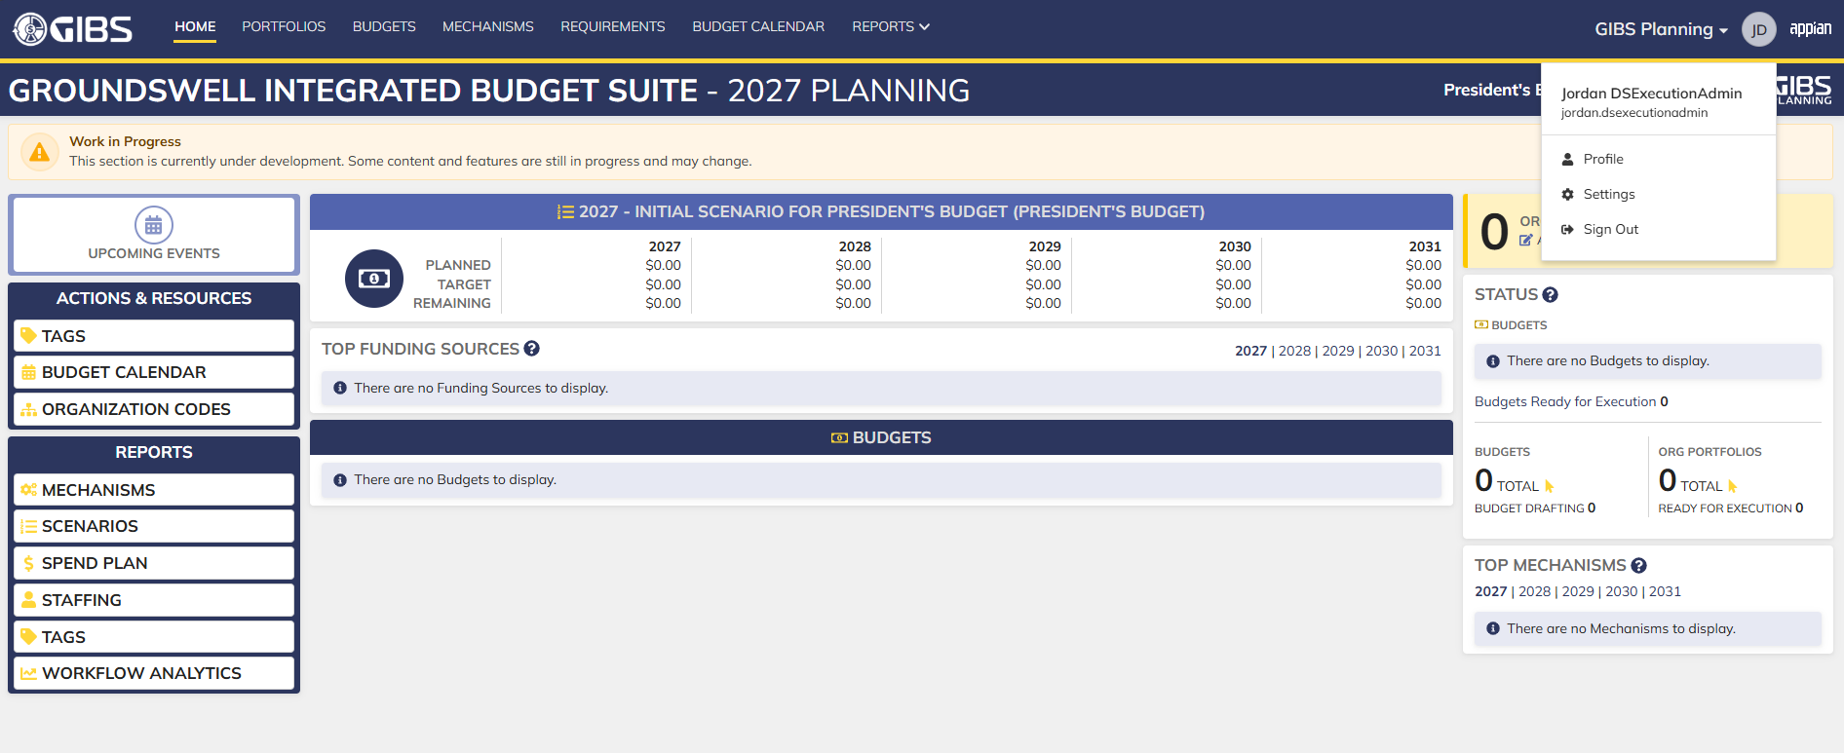
Evidences:
Scenario 1
 |  |  | Planning home page

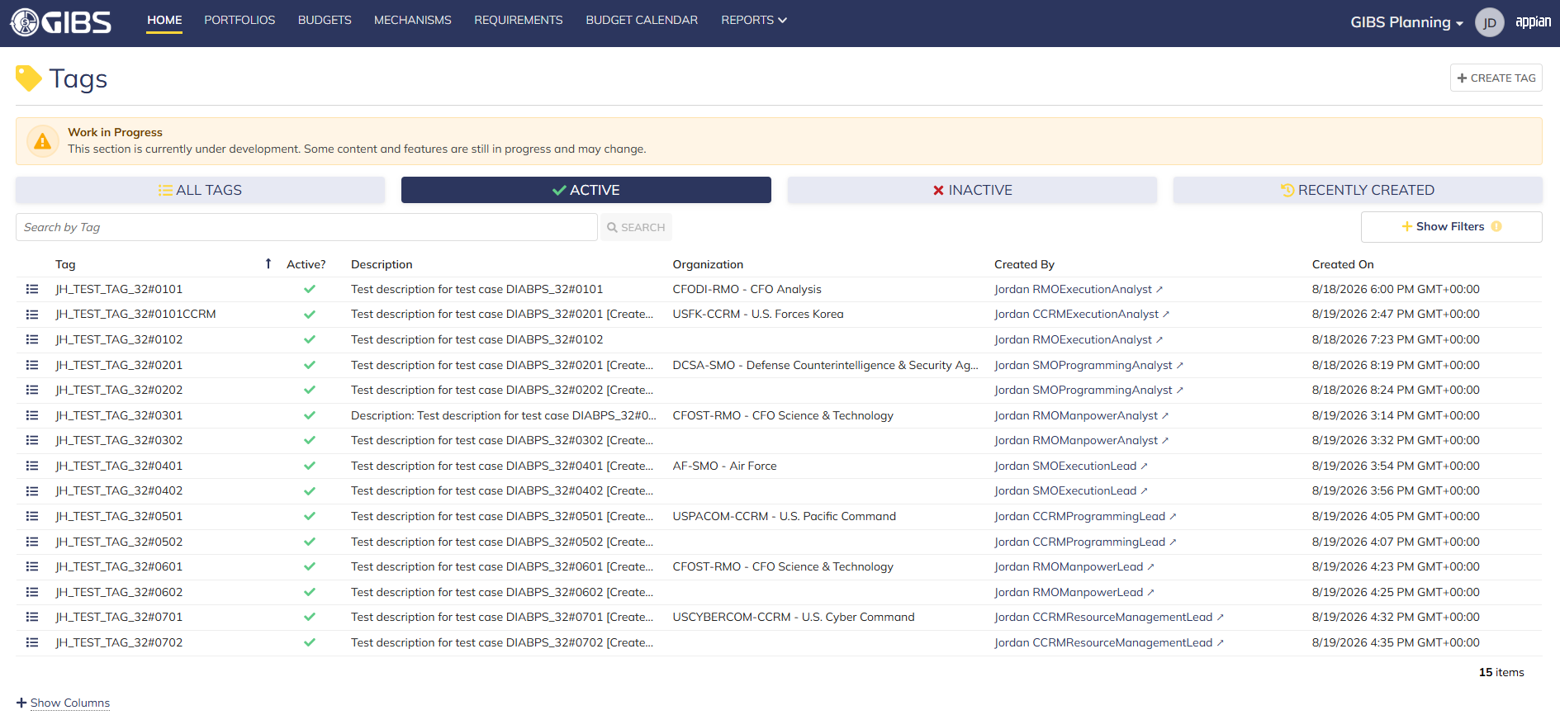
 |  |  | Tags record page


 |  |  | Tag creation form in pop-up window

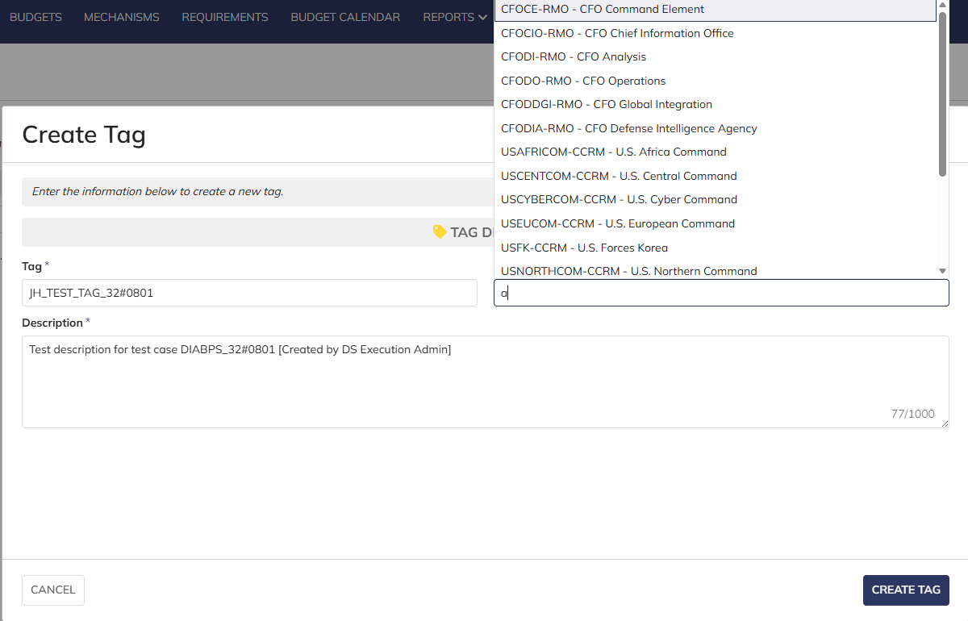
 |  |  | User can enter Tag and Description
 |  |  | For Organization, user can select all RMO/CCRM as DS Execution Admin and all RMO/CCRM/SMO as ES Execution Admin

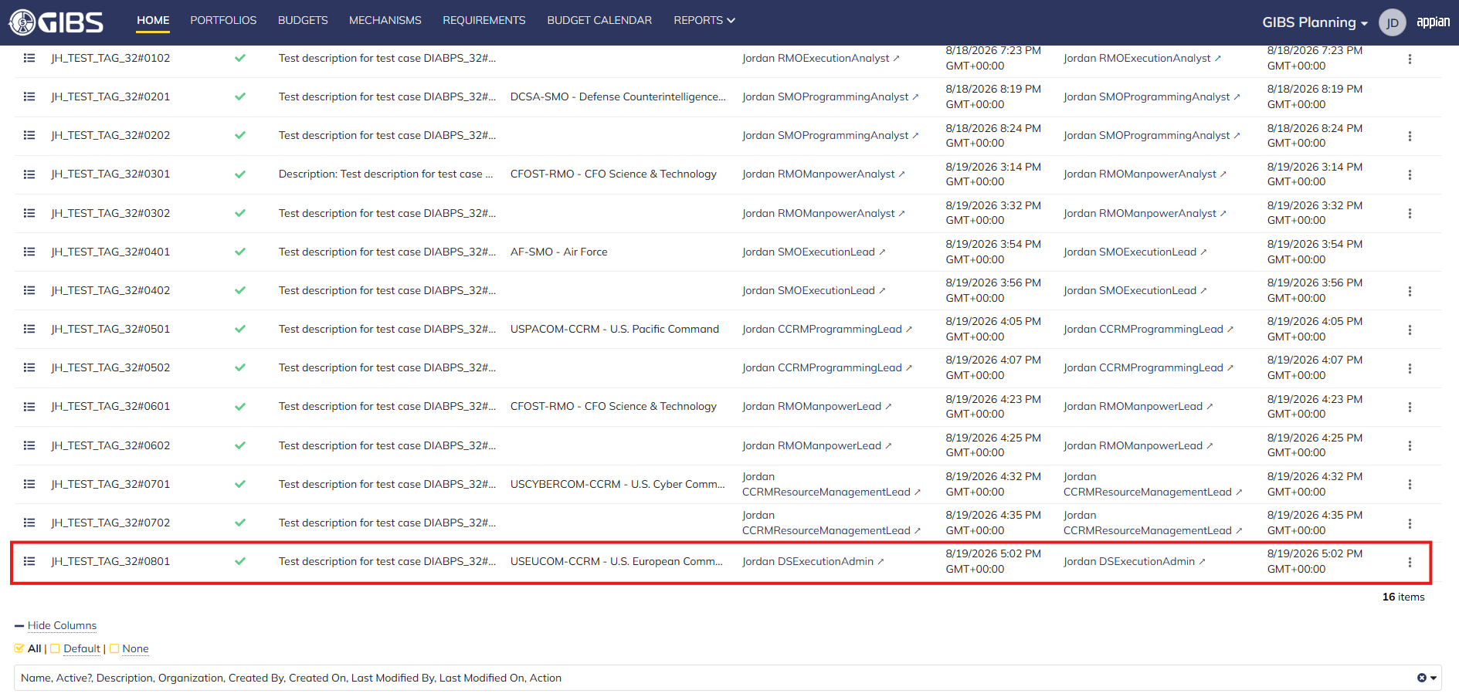
 |  |  | User successfully creates a tag within an organization. Tag is Active, all entered data is saved and audit information is saved

 |  |  | Summary View contains the same data


Scenario 2
 |  |  | User can create system-wide tags by leaving Organization blank

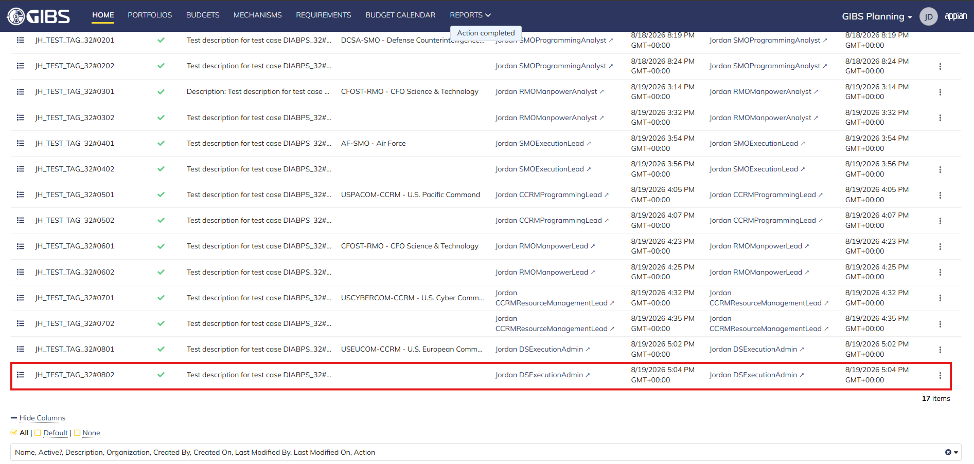
 |  |  | User successfully creates a system-wide tag. Tag is Active, all entered data is saved and audit information is saved

 |  |  | Summary View contains the same data

Programming Admin
DIABPS Sprint 1.1 - DIABPS-32 TEST CASES |  |  |  | TESTER INFO
Test Case ID: | DIABPS_32#09 |  |  | Created By: | Jordan Helman
User Story: | DIABPS-32 - Create a Tag (System-Wide) |  |  | Created On: | 2026-07-31
Story Description: | As a(n) Execution Admin, Programming Admin, Manpower Admin, Resource Management Lead, Execution Lead, Programming Lead, Manpower Lead, Execution Analyst, Programming Analyst, or Manpower Analyst, I can create a Tag that is within my organization or system-wide. |  |  | Reviewed By: | Kana Raghavan
User Role: | Programming Admin |  |  | Reviewed On: | 2026-08-14
Acceptance Criteria: |  |  |  | Executed By: | Jordan Helman
Environment: | DIABPS Test |  |  | Executed On: | 2026-08-19

TEST SCENARIO 1
Test Scenario: | A Programming Admin can create a new tag that is within their organization.
Pre-Conditions:
Execution Steps: |  | Input Data | Expected Result | Pass/Fail | Comments
STEP 1 | Log in as a Programming Admin https://ams-test.appiancloud.us/suite/ | Username: jordan.esprogrammingadmin | The user logs in successfully and is now on the Planning Module Home page | Pass
STEP 2 | Click the "TAGS" action located under ACTIONS & RESOURCES |  | The Tags record page displays | Pass
STEP 3 | Click the "+ CREATE TAG" button located on the top-right of the page |  | The Tag creation form displays in a pop-up window | Pass
STEP 4 | Tag* Text Field Enter a valid Tag | Tag: JH_TEST_TAG_32#0901 | The entered value persists with no error/validation message | Pass
STEP 5 | Description* Paragraph Field Enter a valid Description | Description: Test description for test case DIABPS_32#0901 [Created by ES Programming Admin] | The entered value persists with no error/validation message | Pass
STEP 6 | Organization Picker Field Tooltip: "Leave blank to make this tag available system-wide to all users" View all available options for selection Select an Organization | Organization: SF-SMO - Space Force | 1a. For DS Admin, the available options are limited to all RMOs and CCRMs 1b. For ES Admin, the available options are all RMOs, CCRMs, and SMOs 2. The selected value persists with no error/validation message | Pass | [Jordan]: Verify the options as both DS and ES Programming Admin
STEP 7 | Click the "CREATE TAG" button |  | The pop-up window closes | Pass
STEP 8 | Scroll to the bottom of the page and click the "Show Columns" link |  | A column selection section appears | Pass
STEP 9 | Click the "All" link |  | The "Last Modified By" and "Last Modified On" columns are added to the Tag record grid | Pass
STEP 10 | Verify a row for the new Tag appears in the grid |  |  | Pass
STEP 11 | Verify the data in each column for this row is correct |  |  | Pass
STEP 12 | Click the "View Details" icon located in the left-most column |  | A Tag summary view displays | Pass
STEP 13 | Verify all displayed data is correct |  |  | Pass
STEP 14 | Log out |  | The user is logged out of the application | Pass
Overall Status: | 1. A new Tag is created within the selected Organization 2. All data entered by the user is saved 3. The Tag's status is set to 'Active' 4. The system logs who created the tag and the timestamp |  |  | Pass

TEST SCENARIO 2
Test Scenario: | A Programming Admin can create a new system-wide tag.
Pre-Conditions:
Execution Steps: |  | Input Data | Expected Result | Pass/Fail | Comments
STEP 1 | Log in as a Programming Admin https://ams-test.appiancloud.us/suite/ | Username: jordan.esprogrammingadmin | The user logs in successfully and is now on the Planning Module Home page | Pass
STEP 2 | Click the "TAGS" action located under ACTIONS & RESOURCES |  | The Tags record page displays | Pass
STEP 3 | Click the "+ CREATE TAG" button located on the top-right of the page |  | The Tag creation form displays in a pop-up window | Pass
STEP 4 | Tag* Text Field Enter a valid Tag | Tag: JH_TEST_TAG_32#0902 | The entered value persists with no error/validation message | Pass
STEP 5 | Description* Paragraph Field Enter a valid Description | Description: Test description for test case DIABPS_32#0902 [Created by ES Programming Admin] | The entered value persists with no error/validation message | Pass
STEP 6 | Click the "CREATE TAG" button |  | The pop-up window closes | Pass
STEP 7 | Scroll to the bottom of the page and click the "Show Columns" link |  | A column selection section appears | Pass
STEP 8 | Click the "All" link |  | The "Last Modified By" and "Last Modified On" columns are added to the Tag record grid | Pass
STEP 9 | Verify a row for the new Tag appears in the grid |  |  | Pass
STEP 10 | Verify the data in each column for this row is correct |  |  | Pass
STEP 11 | Click the "View Details" icon located in the left-most column |  | A Tag summary view displays | Pass
STEP 12 | Verify all displayed data is correct |  |  | Pass
STEP 13 | Log out |  | The user is logged out of the application | Pass
Overall Status: | 1. A new system-wide Tag is created 2. All data entered by the user is saved 3. The Tag's status is set to 'Active' 4. The system logs who created the tag and the timestamp |  |  | Pass

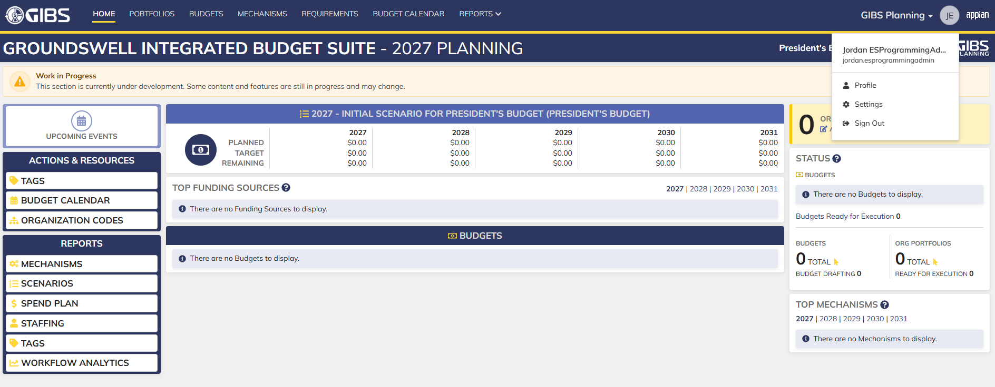
Evidences:
Scenario 1
 |  |  | Planning home page

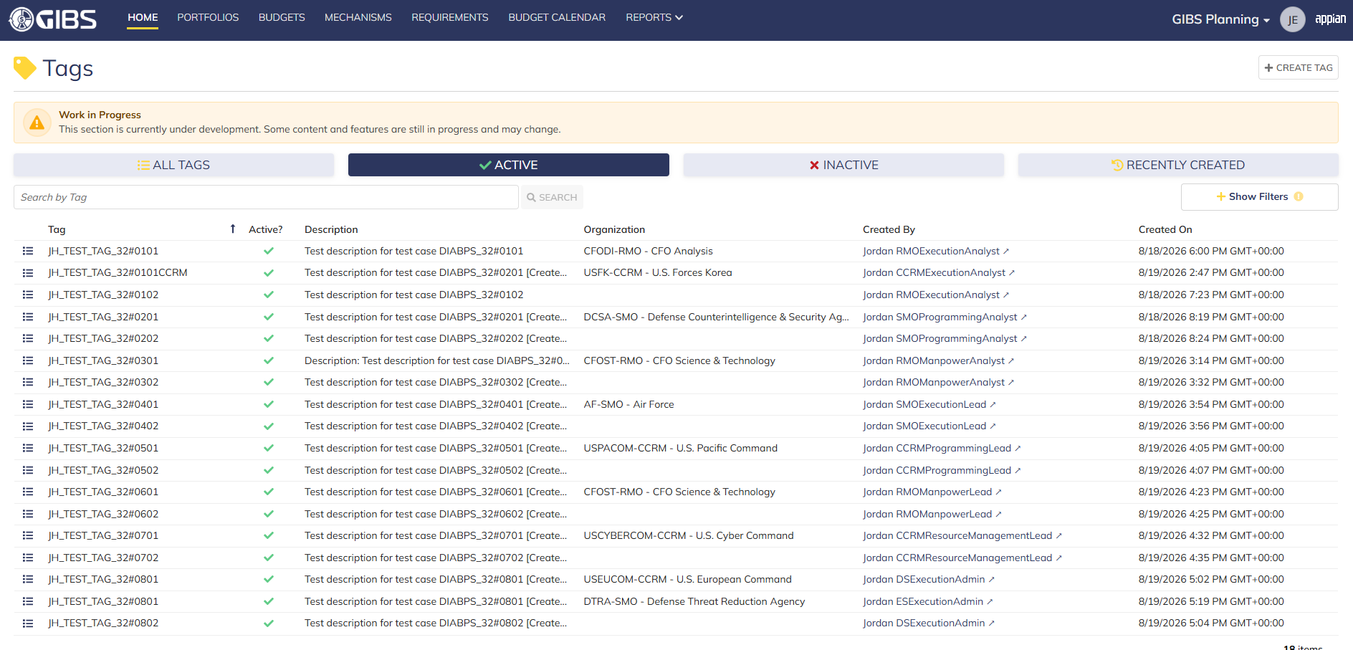
 |  |  | Tags record page

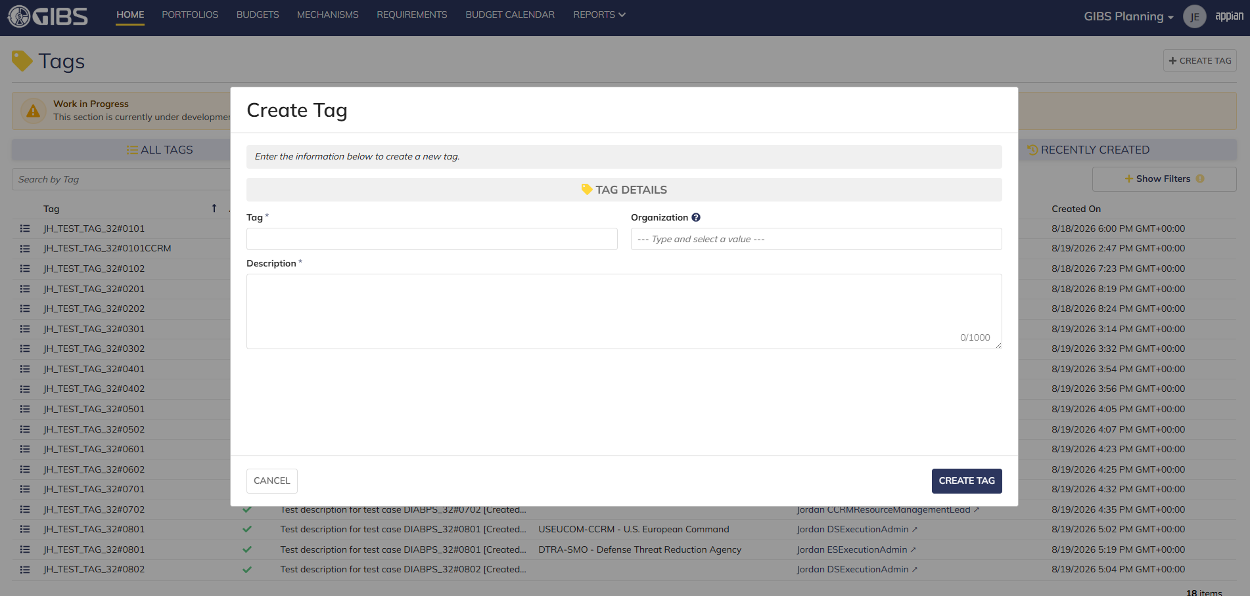
 |  |  | Tag creation form in pop-up window

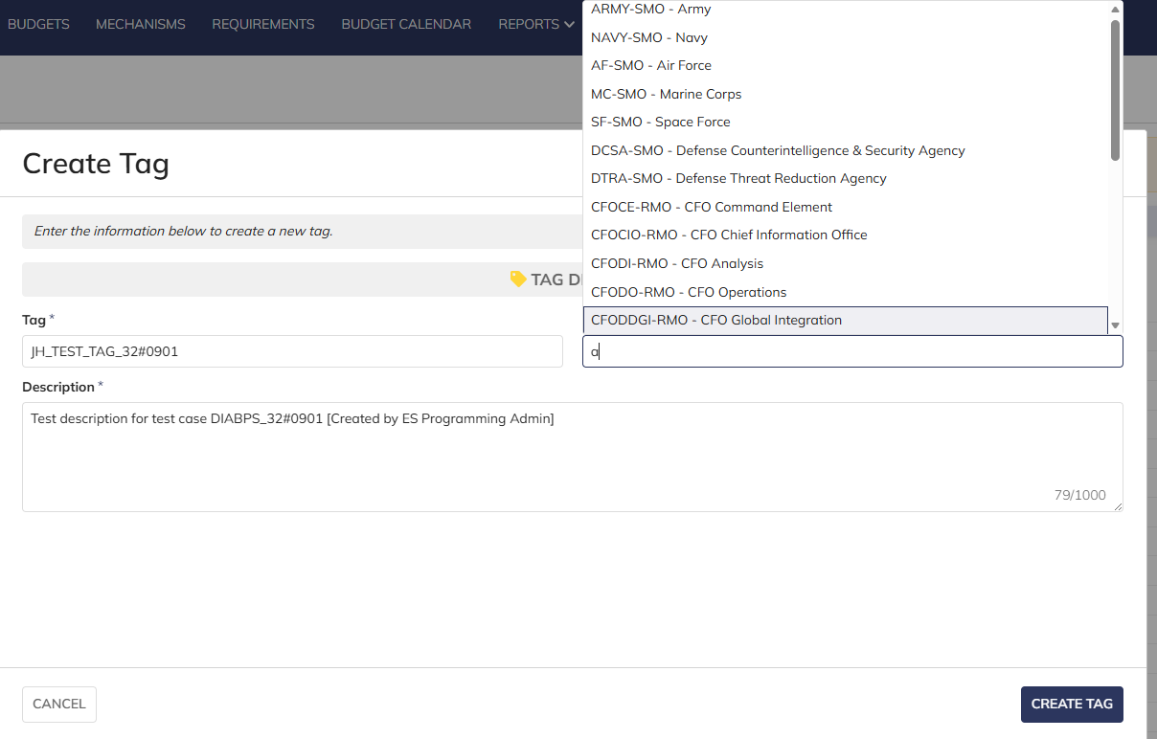
 |  |  | User can enter Tag and Description
 |  |  | For Organization, user can select all RMO/CCRM as DS Programming Admin and all RMO/CCRM/SMO as ES Programming Admin


 |  |  | User successfully creates a tag within an organization. Tag is Active, all entered data is saved and audit information is saved

 |  |  | Summary View contains the same data


Scenario 2
 |  |  | User can create system-wide tags by leaving Organization blank


 |  |  | User successfully creates a system-wide tag. Tag is Active, all entered data is saved and audit information is saved

 |  |  | Summary View contains the same data

Manpower Admin
DIABPS Sprint 1.1 - DIABPS-32 TEST CASES |  |  |  | TESTER INFO
Test Case ID: | DIABPS_32#10 |  |  | Created By: | Jordan Helman
User Story: | DIABPS-32 - Create a Tag (System-Wide) |  |  | Created On: | 2026-07-31
Story Description: | As a(n) Execution Admin, Programming Admin, Manpower Admin, Resource Management Lead, Execution Lead, Programming Lead, Manpower Lead, Execution Analyst, Programming Analyst, or Manpower Analyst, I can create a Tag that is within my organization or system-wide. |  |  | Reviewed By: | Kana Raghavan
User Role: | Manpower Admin |  |  | Reviewed On: | 2026-08-14
Acceptance Criteria: |  |  |  | Executed By: | Jordan Helman
Environment: | DIABPS Test |  |  | Executed On: | 2026-08-19

TEST SCENARIO 1
Test Scenario: | A Manpower Admin can create a new tag that is within their organization.
Pre-Conditions:
Execution Steps: |  | Input Data | Expected Result | Pass/Fail | Comments
STEP 1 | Log in as a Manpower Admin https://ams-test.appiancloud.us/suite/ | Username: jordan.dsmanpoweradmin | The user logs in successfully and is now on the Planning Module Home page | Pass
STEP 2 | Click the "TAGS" action located under ACTIONS & RESOURCES |  | The Tags record page displays | Pass
STEP 3 | Click the "+ CREATE TAG" button located on the top-right of the page |  | The Tag creation form displays in a pop-up window | Pass
STEP 4 | Tag* Text Field Enter a valid Tag | Tag: JH_TEST_TAG_32#1001 | The entered value persists with no error/validation message | Pass
STEP 5 | Description* Paragraph Field Enter a valid Description | Description: Test description for test case DIABPS_32#1001 [Created by DS Manpower Admin] | The entered value persists with no error/validation message | Pass
STEP 6 | Organization Picker Field Tooltip: "Leave blank to make this tag available system-wide to all users" View all available options for selection Select an Organization | Organization: CFOCIO-RMO - CFO Chief Information Office | 1. The available options are limited to all RMOs and CCRMs 2. The selected value persists with no error/validation message | Pass
STEP 7 | Click the "CREATE TAG" button |  | The pop-up window closes | Pass
STEP 8 | Scroll to the bottom of the page and click the "Show Columns" link |  | A column selection section appears | Pass
STEP 9 | Click the "All" link |  | The "Last Modified By" and "Last Modified On" columns are added to the Tag record grid | Pass
STEP 10 | Verify a row for the new Tag appears in the grid |  |  | Pass
STEP 11 | Verify the data in each column for this row is correct |  |  | Pass
STEP 12 | Click the "View Details" icon located in the left-most column |  | A Tag summary view displays | Pass
STEP 13 | Verify all displayed data is correct |  |  | Pass
STEP 14 | Log out |  | The user is logged out of the application | Pass
Overall Status: | 1. A new Tag is created within the selected Organization 2. All data entered by the user is saved 3. The Tag's status is set to 'Active' 4. The system logs who created the tag and the timestamp |  |  | Pass

TEST SCENARIO 2
Test Scenario: | A Manpower Admin can create a new system-wide tag.
Pre-Conditions:
Execution Steps: |  | Input Data | Expected Result | Pass/Fail | Comments
STEP 1 | Log in as a Manpower Admin https://ams-test.appiancloud.us/suite/ | Username: jordan.dsmanpoweradmin | The user logs in successfully and is now on the Planning Module Home page | Pass
STEP 2 | Click the "TAGS" action located under ACTIONS & RESOURCES |  | The Tags record page displays | Pass
STEP 3 | Click the "+ CREATE TAG" button located on the top-right of the page |  | The Tag creation form displays in a pop-up window | Pass
STEP 4 | Tag* Text Field Enter a valid Tag | Tag: JH_TEST_TAG_32#1002 | The entered value persists with no error/validation message | Pass
STEP 5 | Description* Paragraph Field Enter a valid Description | Description: Test description for test case DIABPS_32#1002 [Created by DS Manpower Admin] | The entered value persists with no error/validation message | Pass
STEP 6 | Click the "CREATE TAG" button |  | The pop-up window closes | Pass
STEP 7 | Scroll to the bottom of the page and click the "Show Columns" link |  | A column selection section appears | Pass
STEP 8 | Click the "All" link |  | The "Last Modified By" and "Last Modified On" columns are added to the Tag record grid | Pass
STEP 9 | Verify a row for the new Tag appears in the grid |  |  | Pass
STEP 10 | Verify the data in each column for this row is correct |  |  | Pass
STEP 11 | Click the "View Details" icon located in the left-most column |  | A Tag summary view displays | Pass
STEP 12 | Verify all displayed data is correct |  |  | Pass
STEP 13 | Log out |  | The user is logged out of the application | Pass
Overall Status: | 1. A new system-wide Tag is created 2. All data entered by the user is saved 3. The Tag's status is set to 'Active' 4. The system logs who created the tag and the timestamp |  |  | Pass


Evidences:
Scenario 1
 |  |  | Planning home page


 |  |  | Tags record page


 |  |  | Tag creation form in pop-up window


 |  |  | User can enter Tag and Description
 |  |  | For Organization, user can select all RMO/CCRM


 |  |  | User successfully creates a tag within an organization. Tag is Active, all entered data is saved and audit information is saved

 |  |  | Summary View contains the same data


Scenario 2
 |  |  | User can create system-wide tags by leaving Organization blank


 |  |  | User successfully creates a system-wide tag. Tag is Active, all entered data is saved and audit information is saved

 |  |  | Summary View contains the same data

All Other Roles
DIABPS Sprint 1.1 - DIABPS-32 TEST CASES |  |  |  | TESTER INFO
Test Case ID: | DIABPS_32#11 |  |  | Created By: | Jordan Helman
User Story: | DIABPS-32 - Create a Tag (System-Wide) |  |  | Created On: | 2026-07-31
Story Description: | As a(n) Execution Admin, Programming Admin, Manpower Admin, Resource Management Lead, Execution Lead, Programming Lead, Manpower Lead, Execution Analyst, Programming Analyst, or Manpower Analyst, I can create a Tag that is within my organization or system-wide. |  |  | Reviewed By:
User Role: | Viewer, Business Manager, Office Chief |  |  | Reviewed On:
Acceptance Criteria: |  |  |  | Executed By: | Jordan Helman
Environment: | DIABPS Test |  |  | Executed On: | 2026-08-19

TEST SCENARIO 1
Test Scenario: | A user cannot create a new tag if their role is not applicable.
Pre-Conditions:
Execution Steps: |  | Input Data | Expected Result | Pass/Fail | Comments
STEP 1 | Log in as a user with any listed User Role (ex: Viewer) https://ams-test.appiancloud.us/suite/ | Username: jordan.esviewer | The user logs in successfully and is now on a Module Home page | Pass | [Jordan]: Tested as ES Viewer
STEP 2 | Click the "TAGS" action located under ACTIONS & RESOURCES |  | The Tags record page will display | Pass
STEP 3 | Verify the "+ CREATE TAG" button is not visible |  |  | Pass
STEP 4 | Log out |  | The user is logged out of the application | Pass
STEP 5 | Repeat all steps for each listed User Role | Business Manager: jordan.ccmdbusinessmanager Office Chief: jordan.officechief |  | Pass
Overall Status: | Non-applicable User Roles cannot access the Tag creation form |  |  | Pass


Evidences:
Scenario 1
 |  |  | Planning home page


 |  |  | Tags record page, "+ CREATE TAG" button is not available

